IterativePolicyEvaluation (DP)2
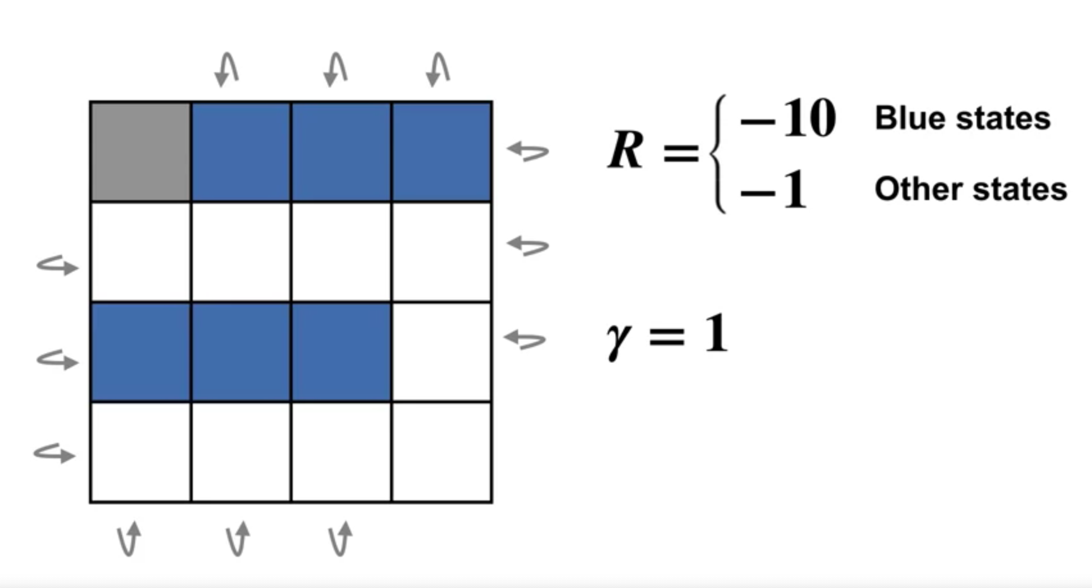

 |  | Terminal_state | 0 |  | -1 | -10 | -10 | -10
 |  | Blue_reward | -10 |  | -1 | -1 | -1 | -1
 |  | Other_reward | -1 |  | -10 | -10 | -10 | -1
 |  | γ | 1 |  | -1 | -1 | -1 | -1

 | POLICY EVALUATION |  |  |  |  | POLICY IMPROVEMENT |  |  |  | POLICY EVALUATION |  |  |  | POLICY IMPROVEMENT |  | POLICY EVALUATION |  |  |  | POLICY IMPROVEMENT |  | POLICY EVALUATION |  |  |  | POLICY IMPROVEMENT

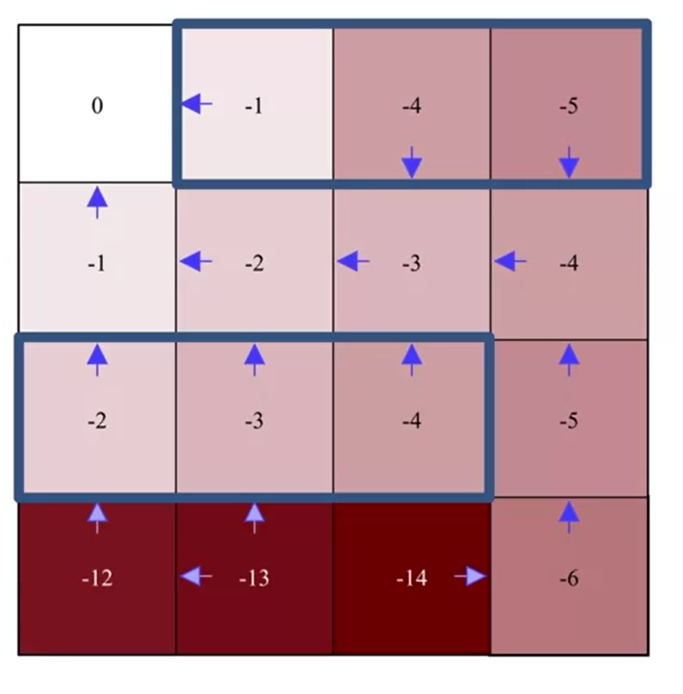
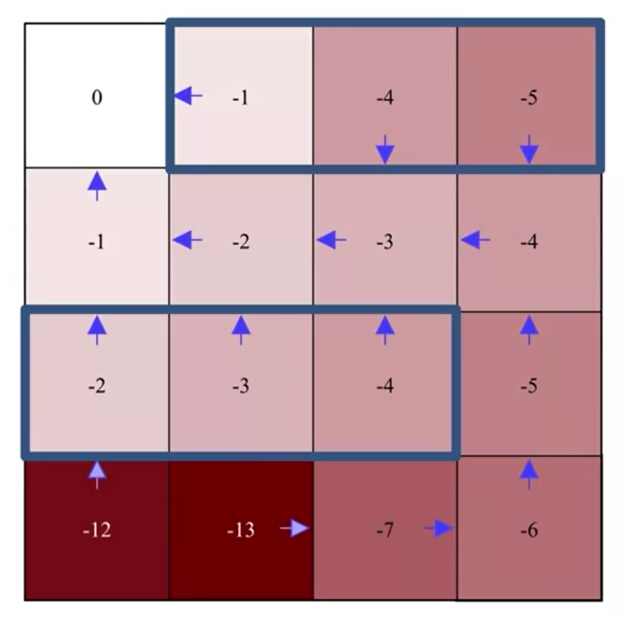
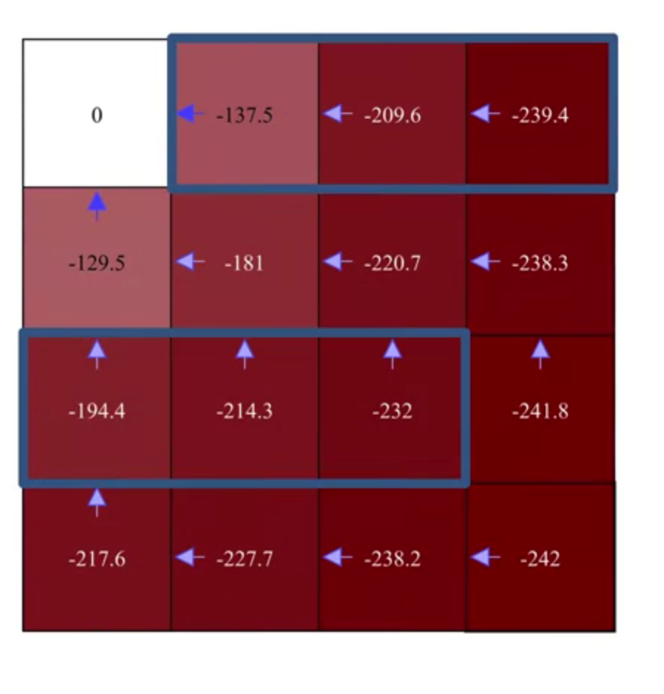
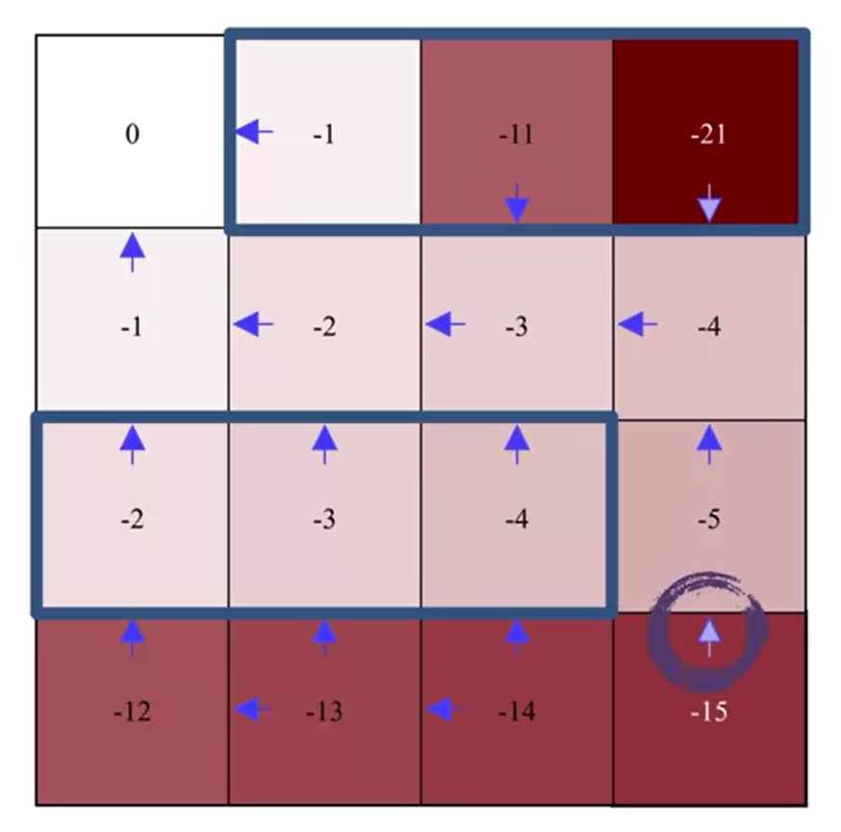
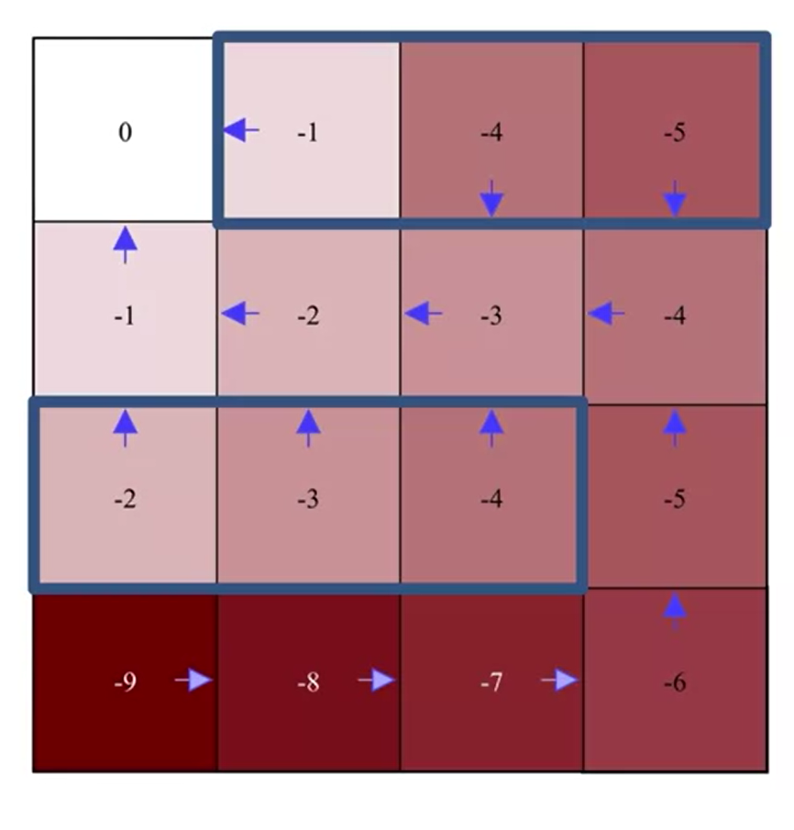
 | 0.0 | -137.5 | -209.6 | -239.4 |  |  |  |  |  | 0.0 | -1.0 | -11.0 | -21.0 |  |  | 0.0 | -1.0 | -4.0 | -5.0 |  |  | 0.0 | -1.0 | -4.0 | -5.0
 | -129.5 | -181.0 | -220.7 | -238.3 |  |  |  |  |  | -1.0 | -2.0 | -3.0 | -4.0 |  |  | -1.0 | -2.0 | -3.0 | -4.0 |  |  | -1.0 | -2.0 | -3.0 | -4.0
 | -194.4 | -214.3 | -232.0 | -241.8 |  |  |  |  |  | -2.0 | -3.0 | -4.0 | -5.0 |  |  | -2.0 | -3.0 | -4.0 | -5.0 |  |  | -2.0 | -3.0 | -4.0 | -5.0
 | -217.6 | -227.7 | -238.2 | -242.0 |  |  |  |  |  | -12.0 | -13.0 | -14.0 | -15.0 |  |  | -12.0 | -13.0 | -14.0 | -6.0 |  |  | -12.0 | -13.0 | -7.0 | -6.0

Time |  |  |  |  |  |  |  |  | Time |  |  |  |  |  | Time |  |  |  |  |  | Time
Step | 0 |  |  |  |  |  |  |  | Step | 0 |  |  |  |  | Step | 0 |  |  |  |  | Step | 0
 | 0 | 0 | 0 | 0 |  |  |  |  |  | 0 | 0 | 0 | 0 |  |  | 0 | 0 | 0 | 0 |  |  | 0 | 0 | 0 | 0
 | 0 | 0 | 0 | 0 |  |  |  |  |  | 0 | 0 | 0 | 0 |  |  | 0 | 0 | 0 | 0 |  |  | 0 | 0 | 0 | 0
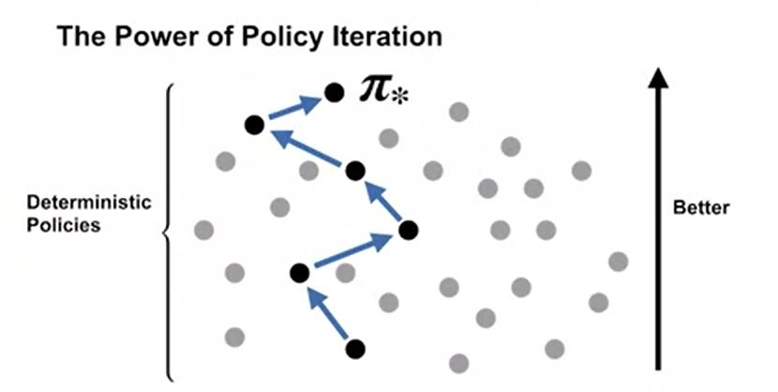
 | 0 | 0 | 0 | 0 |  |  |  |  |  | 0 | 0 | 0 | 0 |  |  | 0 | 0 | 0 | 0 |  |  | 0 | 0 | 0 | 0
 | 0 | 0 | 0 | 0 |  |  |  |  |  | 0 | 0 | 0 | 0 |  |  | 0 | 0 | 0 | 0 |  |  | 0 | 0 | 0 | 0

 | 1 |  |  |  |  |  |  |  |  | 1 |  |  |  |  |  | 1 |  |  |  |  |  | 1
 | 0.0 | -5.5 | -7.8 | -7.8 |  |  |  |  |  | 0.0 | -1.0 | -10.0 | -10.0 |  |  | 0.0 | -1.0 | -1.0 | -1.0 |  |  | 0.0 | -1.0 | -1.0 | -1.0
 | -3.3 | -5.5 | -5.5 | -3.3 |  |  |  |  |  | -1.0 | -1.0 | -1.0 | -1.0 |  |  | -1.0 | -1.0 | -1.0 | -1.0 |  |  | -1.0 | -1.0 | -1.0 | -1.0
 | -5.5 | -5.5 | -3.3 | -3.3 |  |  |  |  |  | -1.0 | -1.0 | -1.0 | -1.0 |  |  | -1.0 | -1.0 | -1.0 | -1.0 |  |  | -1.0 | -1.0 | -1.0 | -1.0
 | -3.3 | -3.3 | -3.3 | -1.0 |  |  |  |  |  | -10.0 | -1.0 | -1.0 | -1.0 |  |  | -10.0 | -5.5 | -5.5 | -1.0 |  |  | -10.0 | -5.5 | -1.0 | -1.0

 | 2 |  |  |  |  |  |  |  |  | 2 |  |  |  |  |  | 2 |  |  |  |  |  | 2
 | 0.0 | -10.2 | -14.4 | -14.4 |  |  |  |  |  | 0.0 | -1.0 | -11.0 | -20.0 |  |  | 0.0 | -1.0 | -2.0 | -2.0 |  |  | 0.0 | -1.0 | -2.0 | -2.0
 | -6.8 | -10.4 | -10.4 | -8.2 |  |  |  |  |  | -1.0 | -2.0 | -2.0 | -2.0 |  |  | -1.0 | -2.0 | -2.0 | -2.0 |  |  | -1.0 | -2.0 | -2.0 | -2.0
 | -9.9 | -9.9 | -7.6 | -5.9 |  |  |  |  |  | -2.0 | -2.0 | -2.0 | -2.0 |  |  | -2.0 | -2.0 | -2.0 | -2.0 |  |  | -2.0 | -2.0 | -2.0 | -2.0
 | -7.1 | -7.1 | -5.9 | -3.1 |  |  |  |  |  | -11.0 | -11.0 | -2.0 | -2.0 |  |  | -11.0 | -11.0 | -8.8 | -2.0 |  |  | -11.0 | -11.0 | -2.0 | -2.0

 | 3 |  |  |  |  |  |  |  |  | 3 |  |  |  |  |  | 3 |  |  |  |  |  | 3
 | 0.0 | -14.3 | -20.1 | -20.6 |  |  |  |  |  | 0.0 | -1.0 | -11.0 | -21.0 |  |  | 0.0 | -1.0 | -3.0 | -3.0 |  |  | 0.0 | -1.0 | -3.0 | -3.0
 | -10.0 | -14.8 | -15.7 | -13.0 |  |  |  |  |  | -1.0 | -2.0 | -3.0 | -3.0 |  |  | -1.0 | -2.0 | -3.0 | -3.0 |  |  | -1.0 | -2.0 | -3.0 | -3.0
 | -13.9 | -14.3 | -11.3 | -9.5 |  |  |  |  |  | -2.0 | -3.0 | -3.0 | -3.0 |  |  | -2.0 | -3.0 | -3.0 | -3.0 |  |  | -2.0 | -3.0 | -3.0 | -3.0
 | -11.0 | -10.7 | -9.2 | -5.5 |  |  |  |  |  | -12.0 | -12.0 | -12.0 | -3.0 |  |  | -12.0 | -12.0 | -12.0 | -3.0 |  |  | -12.0 | -12.0 | -3.0 | -3.0

 | 4 |  |  |  |  |  |  |  |  | 4 |  |  |  |  |  | 4 |  |  |  |  |  | 4
 | 0.0 | -17.8 | -25.4 | -26.3 |  |  |  |  |  | 0.0 | -1.0 | -11.0 | -21.0 |  |  | 0.0 | -1.0 | -4.0 | -4.0 |  |  | 0.0 | -1.0 | -4.0 | -4.0
 | -12.9 | -19.0 | -20.3 | -17.9 |  |  |  |  |  | -1.0 | -2.0 | -3.0 | -4.0 |  |  | -1.0 | -2.0 | -3.0 | -4.0 |  |  | -1.0 | -2.0 | -3.0 | -4.0
 | -17.8 | -18.2 | -15.4 | -13.1 |  |  |  |  |  | -2.0 | -3.0 | -4.0 | -4.0 |  |  | -2.0 | -3.0 | -4.0 | -4.0 |  |  | -2.0 | -3.0 | -4.0 | -4.0
 | -14.9 | -14.5 | -12.4 | -8.4 |  |  |  |  |  | -12.0 | -13.0 | -13.0 | -13.0 |  |  | -12.0 | -13.0 | -13.0 | -4.0 |  |  | -12.0 | -13.0 | -4.0 | -4.0

 | 5 |  |  |  |  |  |  |  |  | 5 |  |  |  |  |  | 5 |  |  |  |  |  | 5
 | 0.0 | -21.1 | -30.2 | -31.7 |  |  |  |  |  | 0.0 | -1.0 | -11.0 | -21.0 |  |  | 0.0 | -1.0 | -4.0 | -5.0 |  |  | 0.0 | -1.0 | -4.0 | -5.0
 | -15.7 | -22.8 | -24.9 | -22.7 |  |  |  |  |  | -1.0 | -2.0 | -3.0 | -4.0 |  |  | -1.0 | -2.0 | -3.0 | -4.0 |  |  | -1.0 | -2.0 | -3.0 | -4.0
 | -21.5 | -22.2 | -19.3 | -17.0 |  |  |  |  |  | -2.0 | -3.0 | -4.0 | -5.0 |  |  | -2.0 | -3.0 | -4.0 | -5.0 |  |  | -2.0 | -3.0 | -4.0 | -5.0
 | -18.8 | -18.3 | -16.0 | -11.6 |  |  |  |  |  | -12.0 | -13.0 | -14.0 | -14.0 |  |  | -12.0 | -13.0 | -14.0 | -5.0 |  |  | -12.0 | -13.0 | -5.0 | -5.0

 | 6 |  |  |  |  |  |  |  |  | 6 |  |  |  |  |  | 6 |  |  |  |  |  | 6
 | 0.0 | -24.0 | -34.7 | -36.8 |  |  |  |  |  | 0.0 | -1.0 | -11.0 | -21.0 |  |  | 0.0 | -1.0 | -4.0 | -5.0 |  |  | 0.0 | -1.0 | -4.0 | -5.0
 | -18.2 | -26.5 | -29.2 | -27.3 |  |  |  |  |  | -1.0 | -2.0 | -3.0 | -4.0 |  |  | -1.0 | -2.0 | -3.0 | -4.0 |  |  | -1.0 | -2.0 | -3.0 | -4.0
 | -25.0 | -25.9 | -23.3 | -20.9 |  |  |  |  |  | -2.0 | -3.0 | -4.0 | -5.0 |  |  | -2.0 | -3.0 | -4.0 | -5.0 |  |  | -2.0 | -3.0 | -4.0 | -5.0
 | -22.6 | -22.1 | -19.5 | -15.0 |  |  |  |  |  | -12.0 | -13.0 | -14.0 | -15.0 |  |  | -12.0 | -13.0 | -14.0 | -6.0 |  |  | -12.0 | -13.0 | -6.0 | -6.0

 | 7 |  |  |  |  |  |  |  |  | 7 |  |  |  |  |  | 7 |  |  |  |  |  | 7
 | 0.0 | -26.8 | -39.0 | -41.7 |  |  |  |  |  | 0.0 | -1.0 | -11.0 | -21.0 |  |  | 0.0 | -1.0 | -4.0 | -5.0 |  |  | 0.0 | -1.0 | -4.0 | -5.0
 | -20.7 | -29.9 | -33.4 | -31.8 |  |  |  |  |  | -1.0 | -2.0 | -3.0 | -4.0 |  |  | -1.0 | -2.0 | -3.0 | -4.0 |  |  | -1.0 | -2.0 | -3.0 | -4.0
 | -28.5 | -29.7 | -27.1 | -24.9 |  |  |  |  |  | -2.0 | -3.0 | -4.0 | -5.0 |  |  | -2.0 | -3.0 | -4.0 | -5.0 |  |  | -2.0 | -3.0 | -4.0 | -5.0
 | -26.3 | -25.8 | -23.2 | -18.6 |  |  |  |  |  | -12.0 | -13.0 | -14.0 | -15.0 |  |  | -12.0 | -13.0 | -14.0 | -6.0 |  |  | -12.0 | -13.0 | -7.0 | -6.0

 | 8 |  |  |  |  |  |  |  |  |  |  |  |  |  |  |  |  |  |  |  |  | 8
 | 0.0 | -29.4 | -43.0 | -46.3 |  |  |  |  |  |  |  |  |  |  |  |  |  |  |  |  |  | 0.0 | -1.0 | -4.0 | -5.0
 | -23.0 | -33.2 | -37.4 | -36.2 |  |  |  |  |  |  |  |  |  |  |  |  |  |  |  |  |  | -1.0 | -2.0 | -3.0 | -4.0
 | -31.8 | -33.3 | -31.1 | -28.9 |  |  |  |  |  |  |  |  |  |  |  |  |  |  |  |  |  | -2.0 | -3.0 | -4.0 | -5.0
 | -30.0 | -29.5 | -26.9 | -22.3 |  |  |  |  |  |  |  |  |  |  |  |  |  |  |  |  |  | -12.0 | -13.0 | -7.0 | -6.0

 | 9
 | 0.0 | -31.9 | -46.8 | -50.7
 | -25.2 | -36.3 | -41.3 | -40.4
 | -35.0 | -36.9 | -34.9 | -32.9
 | -33.6 | -33.2 | -30.7 | -26.1

 | 10
 | 0.0 | -34.2 | -50.4 | -54.9
 | -27.4 | -39.3 | -45.1 | -44.6
 | -38.2 | -40.3 | -38.7 | -36.8
 | -37.1 | -36.8 | -34.5 | -29.9

 | 11
 | 0.0 | -36.5 | -53.9 | -58.9
 | -29.5 | -42.3 | -48.8 | -48.6
 | -41.2 | -43.8 | -42.4 | -40.8
 | -40.5 | -40.4 | -38.2 | -33.8

 | 12
 | 0.0 | -38.7 | -57.3 | -62.9
 | -31.5 | -45.1 | -52.3 | -52.5
 | -44.3 | -47.1 | -46.1 | -44.6
 | -43.9 | -44.0 | -42.0 | -37.6

 | 13
 | 0.0 | -40.8 | -60.5 | -66.6
 | -33.5 | -47.9 | -55.8 | -56.3
 | -47.2 | -50.4 | -49.8 | -48.5
 | -47.3 | -47.5 | -45.7 | -41.5

 | 14
 | 0.0 | -42.8 | -63.7 | -70.3
 | -35.4 | -50.6 | -59.1 | -60.1
 | -50.1 | -53.6 | -53.3 | -52.3
 | -50.6 | -51.0 | -49.4 | -45.3

 | 15
 | 0.0 | -44.8 | -66.7 | -73.8
 | -37.3 | -53.2 | -62.4 | -63.7
 | -52.9 | -56.7 | -56.8 | -56.0
 | -53.8 | -54.4 | -53.0 | -49.0

 | 16
 | 0.0 | -46.7 | -69.7 | -77.3
 | -39.1 | -55.8 | -65.6 | -67.2
 | -55.7 | -59.8 | -60.3 | -59.6
 | -57.0 | -57.7 | -56.6 | -52.8

 | 17
 | 0.0 | -48.5 | -72.6 | -80.6
 | -40.9 | -58.3 | -68.7 | -70.7
 | -58.4 | -62.9 | -63.7 | -63.2
 | -60.1 | -61.0 | -60.1 | -56.4

 | 18
 | 0.0 | -50.3 | -75.4 | -83.9
 | -42.6 | -60.8 | -71.8 | -74.1
 | -61.1 | -65.8 | -67.0 | -66.7
 | -63.1 | -64.3 | -63.5 | -60.0

 | 19
 | 0.0 | -52.1 | -78.1 | -87.0
 | -44.4 | -63.2 | -74.8 | -77.4
 | -63.7 | -68.8 | -70.2 | -70.2
 | -66.1 | -67.4 | -67.0 | -63.6

 | 20
 | 0.0 | -53.8 | -80.8 | -90.1
 | -46.0 | -65.5 | -77.7 | -80.6
 | -66.2 | -71.6 | -73.4 | -73.6
 | -69.1 | -70.6 | -70.3 | -67.1

 | 21
 | 0.0 | -55.5 | -83.4 | -93.2
 | -47.7 | -67.8 | -80.6 | -83.8
 | -68.8 | -74.4 | -76.6 | -76.9
 | -72.0 | -73.7 | -73.6 | -70.5

 | 22
 | 0.0 | -57.2 | -85.9 | -96.1
 | -49.3 | -70.1 | -83.4 | -86.9
 | -71.2 | -77.2 | -79.6 | -80.2
 | -74.9 | -76.7 | -76.8 | -73.9

 | 23
 | 0.0 | -58.8 | -88.4 | -99.0
 | -50.9 | -72.3 | -86.1 | -89.9
 | -73.6 | -79.9 | -82.6 | -83.4
 | -77.7 | -79.6 | -80.0 | -77.2

 | 24
 | 0.0 | -60.4 | -90.8 | -101.8
 | -52.5 | -74.4 | -88.8 | -92.8
 | -76.0 | -82.6 | -85.6 | -86.5
 | -80.4 | -82.6 | -83.1 | -80.5

 | 25
 | 0.0 | -61.9 | -93.2 | -104.6
 | -54.0 | -76.5 | -91.4 | -95.7
 | -78.4 | -85.2 | -88.5 | -89.6
 | -83.1 | -85.4 | -86.2 | -83.6

 | 26
 | 0.0 | -63.4 | -95.5 | -107.3
 | -55.5 | -78.6 | -94.0 | -98.6
 | -80.6 | -87.7 | -91.3 | -92.6
 | -85.7 | -88.2 | -89.2 | -86.8

 | 27
 | 0.0 | -64.9 | -97.8 | -109.9
 | -56.9 | -80.6 | -96.5 | -101.4
 | -82.9 | -90.2 | -94.1 | -95.6
 | -88.3 | -91.0 | -92.1 | -89.8

 | 28
 | 0.0 | -66.3 | -100.0 | -112.5
 | -58.4 | -82.6 | -99.0 | -104.1
 | -85.1 | -92.7 | -96.9 | -98.5
 | -90.9 | -93.7 | -95.0 | -92.8

 | 29
 | 0.0 | -67.7 | -102.2 | -115.0
 | -59.8 | -84.6 | -101.4 | -106.8
 | -87.2 | -95.1 | -99.5 | -101.3
 | -93.4 | -96.3 | -97.8 | -95.8

 | 30
 | 0.0 | -69.1 | -104.3 | -117.5
 | -61.2 | -86.5 | -103.8 | -109.4
 | -89.4 | -97.4 | -102.2 | -104.1
 | -95.8 | -98.9 | -100.6 | -98.7

 | 31
 | 0.0 | -70.5 | -106.4 | -119.9
 | -62.5 | -88.4 | -106.1 | -111.9
 | -91.4 | -99.7 | -104.7 | -106.8
 | -98.2 | -101.4 | -103.3 | -101.5

 | 32
 | 0.0 | -71.8 | -108.5 | -122.3
 | -63.8 | -90.2 | -108.4 | -114.5
 | -93.5 | -102.0 | -107.2 | -109.5
 | -100.6 | -103.9 | -106.0 | -104.3

 | 33
 | 0.0 | -73.1 | -110.5 | -124.6
 | -65.1 | -92.0 | -110.6 | -116.9
 | -95.5 | -104.2 | -109.7 | -112.1
 | -102.9 | -106.4 | -108.6 | -107.0

 | 34
 | 0.0 | -74.4 | -112.5 | -126.9
 | -66.4 | -93.8 | -112.8 | -119.3
 | -97.4 | -106.4 | -112.1 | -114.7
 | -105.2 | -108.8 | -111.2 | -109.7

 | 35
 | 0.0 | -75.7 | -114.4 | -129.2
 | -67.6 | -95.5 | -114.9 | -121.7
 | -99.3 | -108.5 | -114.5 | -117.2
 | -107.4 | -111.1 | -113.7 | -112.3

 | 36
 | 0.0 | -76.9 | -116.3 | -131.3
 | -68.9 | -97.2 | -117.0 | -124.0
 | -101.2 | -110.6 | -116.8 | -119.7
 | -109.6 | -113.4 | -116.2 | -114.9

 | 37
 | 0.0 | -78.1 | -118.1 | -133.5
 | -70.1 | -98.9 | -119.1 | -126.3
 | -103.1 | -112.7 | -119.1 | -122.1
 | -111.7 | -115.7 | -118.6 | -117.4

 | 38
 | 0.0 | -79.3 | -120.0 | -135.6
 | -71.2 | -100.5 | -121.1 | -128.5
 | -104.9 | -114.7 | -121.4 | -124.5
 | -113.8 | -117.9 | -121.0 | -119.9

 | 39
 | 0.0 | -80.4 | -121.7 | -137.7
 | -72.4 | -102.1 | -123.1 | -130.7
 | -106.6 | -116.7 | -123.6 | -126.8
 | -115.8 | -120.1 | -123.3 | -122.3

 | 40
 | 0.0 | -81.6 | -123.5 | -139.7
 | -73.5 | -103.6 | -125.0 | -132.8
 | -108.4 | -118.6 | -125.7 | -129.1
 | -117.9 | -122.2 | -125.6 | -124.7

 | 41
 | 0.0 | -82.7 | -125.2 | -141.7
 | -74.6 | -105.2 | -126.9 | -134.9
 | -110.1 | -120.5 | -127.8 | -131.3
 | -119.8 | -124.3 | -127.8 | -127.0

 | 42
 | 0.0 | -83.8 | -126.8 | -143.6
 | -75.7 | -106.7 | -128.8 | -136.9
 | -111.8 | -122.3 | -129.9 | -133.5
 | -121.8 | -126.3 | -130.0 | -129.3

 | 43
 | 0.0 | -84.8 | -128.5 | -145.5
 | -76.8 | -108.1 | -130.6 | -138.9
 | -113.4 | -124.2 | -131.9 | -135.6
 | -123.7 | -128.4 | -132.1 | -131.5

 | 44
 | 0.0 | -85.9 | -130.1 | -147.4
 | -77.8 | -109.6 | -132.4 | -140.9
 | -115.0 | -125.9 | -133.9 | -137.7
 | -125.5 | -130.3 | -134.2 | -133.7

 | 45
 | 0.0 | -86.9 | -131.7 | -149.2
 | -78.9 | -111.0 | -134.1 | -142.8
 | -116.6 | -127.7 | -135.8 | -139.8
 | -127.3 | -132.3 | -136.3 | -135.8

 | 46
 | 0.0 | -87.9 | -133.2 | -151.0
 | -79.9 | -112.4 | -135.8 | -144.7
 | -118.1 | -129.4 | -137.7 | -141.8
 | -129.1 | -134.1 | -138.3 | -137.9

 | 47
 | 0.0 | -88.9 | -134.7 | -152.7
 | -80.8 | -113.7 | -137.5 | -146.6
 | -119.6 | -131.1 | -139.6 | -143.8
 | -130.9 | -136.0 | -140.3 | -140.0

 | 48
 | 0.0 | -89.8 | -136.2 | -154.4
 | -81.8 | -115.1 | -139.2 | -148.4
 | -121.1 | -132.7 | -141.4 | -145.7
 | -132.6 | -137.8 | -142.2 | -142.0

 | 49
 | 0.0 | -90.8 | -137.7 | -156.1
 | -82.7 | -116.4 | -140.8 | -150.2
 | -122.6 | -134.4 | -143.2 | -147.7
 | -134.3 | -139.6 | -144.1 | -144.0

 | 50
 | 0.0 | -91.7 | -139.1 | -157.8
 | -83.7 | -117.7 | -142.4 | -151.9
 | -124.0 | -135.9 | -145.0 | -149.5
 | -135.9 | -141.3 | -146.0 | -145.9

 | 51
 | 0.0 | -92.6 | -140.5 | -159.4
 | -84.6 | -118.9 | -143.9 | -153.6
 | -125.4 | -137.5 | -146.7 | -151.3
 | -137.5 | -143.0 | -147.8 | -147.8

 | 52
 | 0.0 | -93.5 | -141.9 | -161.0
 | -85.5 | -120.2 | -145.4 | -155.3
 | -126.7 | -139.0 | -148.4 | -153.1
 | -139.1 | -144.7 | -149.6 | -149.7

 | 53
 | 0.0 | -94.4 | -143.2 | -162.5
 | -86.3 | -121.4 | -146.9 | -157.0
 | -128.1 | -140.5 | -150.0 | -154.9
 | -140.7 | -146.4 | -151.4 | -151.5

 | 54
 | 0.0 | -95.2 | -144.5 | -164.1
 | -87.2 | -122.5 | -148.4 | -158.6
 | -129.4 | -142.0 | -151.7 | -156.6
 | -142.2 | -148.0 | -153.1 | -153.3

 | 55
 | 0.0 | -96.1 | -145.8 | -165.6
 | -88.0 | -123.7 | -149.8 | -160.2
 | -130.7 | -143.4 | -153.3 | -158.3
 | -143.7 | -149.6 | -154.8 | -155.1

 | 56
 | 0.0 | -96.9 | -147.1 | -167.0
 | -88.9 | -124.8 | -151.2 | -161.7
 | -132.0 | -144.8 | -154.8 | -160.0
 | -145.2 | -151.1 | -156.4 | -156.8

 | 57
 | 0.0 | -97.7 | -148.3 | -168.5
 | -89.7 | -125.9 | -152.6 | -163.2
 | -133.2 | -146.2 | -156.3 | -161.6
 | -146.6 | -152.6 | -158.0 | -158.5

 | 58
 | 0.0 | -98.5 | -149.5 | -169.9
 | -90.4 | -127.0 | -154.0 | -164.7
 | -134.4 | -147.5 | -157.8 | -163.2
 | -148.0 | -154.1 | -159.6 | -160.2

 | 59
 | 0.0 | -99.3 | -150.7 | -171.2
 | -91.2 | -128.1 | -155.3 | -166.2
 | -135.6 | -148.8 | -159.3 | -164.7
 | -149.4 | -155.6 | -161.2 | -161.8

 | 60
 | 0.0 | -100.0 | -151.9 | -172.6
 | -92.0 | -129.2 | -156.6 | -167.6
 | -136.8 | -150.1 | -160.8 | -166.2
 | -150.7 | -157.0 | -162.7 | -163.4

 | 61
 | 0.0 | -100.8 | -153.0 | -173.9
 | -92.7 | -130.2 | -157.8 | -169.0
 | -137.9 | -151.4 | -162.2 | -167.7
 | -152.1 | -158.4 | -164.2 | -164.9

 | 62
 | 0.0 | -101.5 | -154.1 | -175.2
 | -93.5 | -131.2 | -159.1 | -170.4
 | -139.0 | -152.7 | -163.6 | -169.2
 | -153.4 | -159.8 | -165.7 | -166.4

 | 63
 | 0.0 | -102.2 | -155.2 | -176.5
 | -94.2 | -132.2 | -160.3 | -171.7
 | -140.1 | -153.9 | -164.9 | -170.6
 | -154.6 | -161.1 | -167.1 | -167.9

 | 64
 | 0.0 | -102.9 | -156.3 | -177.7
 | -94.9 | -133.1 | -161.5 | -173.0
 | -141.2 | -155.1 | -166.2 | -172.1
 | -155.9 | -162.4 | -168.5 | -169.4

 | 65
 | 0.0 | -103.6 | -157.4 | -179.0
 | -95.6 | -134.1 | -162.7 | -174.3
 | -142.3 | -156.3 | -167.5 | -173.4
 | -157.1 | -163.7 | -169.9 | -170.8

 | 66
 | 0.0 | -104.3 | -158.4 | -180.1
 | -96.2 | -135.0 | -163.8 | -175.6
 | -143.3 | -157.4 | -168.8 | -174.8
 | -158.3 | -165.0 | -171.3 | -172.3

 | 67
 | 0.0 | -104.9 | -159.4 | -181.3
 | -96.9 | -135.9 | -165.0 | -176.8
 | -144.3 | -158.5 | -170.1 | -176.1
 | -159.5 | -166.2 | -172.6 | -173.6

 | 68
 | 0.0 | -105.6 | -160.4 | -182.5
 | -97.5 | -136.8 | -166.1 | -178.1
 | -145.3 | -159.6 | -171.3 | -177.4
 | -160.6 | -167.5 | -173.9 | -175.0

 | 69
 | 0.0 | -106.2 | -161.4 | -183.6
 | -98.2 | -137.7 | -167.1 | -179.3
 | -146.3 | -160.7 | -172.5 | -178.7
 | -161.7 | -168.6 | -175.2 | -176.3

 | 70
 | 0.0 | -106.8 | -162.3 | -184.7
 | -98.8 | -138.6 | -168.2 | -180.4
 | -147.2 | -161.8 | -173.7 | -179.9
 | -162.9 | -169.8 | -176.4 | -177.6

 | 71
 | 0.0 | -107.4 | -163.3 | -185.8
 | -99.4 | -139.4 | -169.2 | -181.6
 | -148.2 | -162.8 | -174.8 | -181.2
 | -163.9 | -171.0 | -177.6 | -178.9

 | 72
 | 0.0 | -108.0 | -164.2 | -186.9
 | -100.0 | -140.2 | -170.3 | -182.7
 | -149.1 | -163.8 | -176.0 | -182.4
 | -165.0 | -172.1 | -178.8 | -180.1

 | 73
 | 0.0 | -108.6 | -165.1 | -187.9
 | -100.6 | -141.0 | -171.3 | -183.8
 | -150.0 | -164.8 | -177.1 | -183.5
 | -166.0 | -173.2 | -180.0 | -181.4

 | 74
 | 0.0 | -109.2 | -166.0 | -188.9
 | -101.1 | -141.8 | -172.2 | -184.9
 | -150.9 | -165.8 | -178.2 | -184.7
 | -167.1 | -174.3 | -181.2 | -182.6

 | 75
 | 0.0 | -109.7 | -166.8 | -189.9
 | -101.7 | -142.6 | -173.2 | -185.9
 | -151.7 | -166.8 | -179.2 | -185.8
 | -168.1 | -175.3 | -182.3 | -183.8

 | 76
 | 0.0 | -110.3 | -167.7 | -190.9
 | -102.3 | -143.4 | -174.1 | -187.0
 | -152.6 | -167.7 | -180.3 | -186.9
 | -169.0 | -176.4 | -183.4 | -184.9

 | 77
 | 0.0 | -110.8 | -168.5 | -191.9
 | -102.8 | -144.1 | -175.1 | -188.0
 | -153.4 | -168.6 | -181.3 | -188.0
 | -170.0 | -177.4 | -184.5 | -186.0

 | 78
 | 0.0 | -111.4 | -169.3 | -192.8
 | -103.3 | -144.8 | -176.0 | -189.0
 | -154.2 | -169.5 | -182.3 | -189.1
 | -170.9 | -178.4 | -185.6 | -187.1

 | 79
 | 0.0 | -111.9 | -170.1 | -193.7
 | -103.8 | -145.5 | -176.9 | -190.0
 | -155.0 | -170.4 | -183.3 | -190.1
 | -171.9 | -179.4 | -186.6 | -188.2

 | 80
 | 0.0 | -112.4 | -170.9 | -194.6
 | -104.3 | -146.3 | -177.7 | -190.9
 | -155.8 | -171.3 | -184.3 | -191.2
 | -172.8 | -180.3 | -187.6 | -189.3

 | 81
 | 0.0 | -112.9 | -171.7 | -195.5
 | -104.8 | -146.9 | -178.6 | -191.9
 | -156.6 | -172.2 | -185.2 | -192.2
 | -173.7 | -181.3 | -188.6 | -190.3

 | 82
 | 0.0 | -113.4 | -172.4 | -196.4
 | -105.3 | -147.6 | -179.4 | -192.8
 | -157.3 | -173.0 | -186.1 | -193.1
 | -174.5 | -182.2 | -189.6 | -191.4

 | 83
 | 0.0 | -113.8 | -173.1 | -197.2
 | -105.8 | -148.3 | -180.2 | -193.7
 | -158.0 | -173.8 | -187.0 | -194.1
 | -175.4 | -183.1 | -190.6 | -192.4

 | 84
 | 0.0 | -114.3 | -173.9 | -198.1
 | -106.3 | -148.9 | -181.0 | -194.6
 | -158.8 | -174.6 | -187.9 | -195.0
 | -176.2 | -184.0 | -191.5 | -193.4

 | 85
 | 0.0 | -114.8 | -174.6 | -198.9
 | -106.7 | -149.6 | -181.8 | -195.4
 | -159.5 | -175.4 | -188.8 | -196.0
 | -177.0 | -184.8 | -192.4 | -194.3

 | 86
 | 0.0 | -115.2 | -175.3 | -199.7
 | -107.2 | -150.2 | -182.6 | -196.3
 | -160.2 | -176.2 | -189.7 | -196.9
 | -177.8 | -185.7 | -193.3 | -195.3

 | 87
 | 0.0 | -115.7 | -175.9 | -200.5
 | -107.6 | -150.8 | -183.3 | -197.1
 | -160.8 | -176.9 | -190.5 | -197.8
 | -178.6 | -186.5 | -194.2 | -196.2

 | 88
 | 0.0 | -116.1 | -176.6 | -201.3
 | -108.1 | -151.4 | -184.1 | -197.9
 | -161.5 | -177.7 | -191.3 | -198.6
 | -179.4 | -187.3 | -195.1 | -197.1

 | 89
 | 0.0 | -116.5 | -177.3 | -202.0
 | -108.5 | -152.0 | -184.8 | -198.7
 | -162.2 | -178.4 | -192.1 | -199.5
 | -180.2 | -188.1 | -196.0 | -198.0

 | 90
 | 0.0 | -116.9 | -177.9 | -202.8
 | -108.9 | -152.6 | -185.5 | -199.5
 | -162.8 | -179.1 | -192.9 | -200.3
 | -180.9 | -188.9 | -196.8 | -198.9

 | 91
 | 0.0 | -117.3 | -178.5 | -203.5
 | -109.3 | -153.1 | -186.2 | -200.3
 | -163.4 | -179.8 | -193.7 | -201.2
 | -181.6 | -189.7 | -197.6 | -199.7

 | 92
 | 0.0 | -117.7 | -179.1 | -204.2
 | -109.7 | -153.7 | -186.9 | -201.0
 | -164.0 | -180.5 | -194.4 | -202.0
 | -182.3 | -190.4 | -198.4 | -200.5

 | 93
 | 0.0 | -118.1 | -179.7 | -204.9
 | -110.1 | -154.2 | -187.6 | -201.8
 | -164.6 | -181.1 | -195.2 | -202.7
 | -183.0 | -191.2 | -199.2 | -201.4

 | 94
 | 0.0 | -118.5 | -180.3 | -205.6
 | -110.5 | -154.7 | -188.2 | -202.5
 | -165.2 | -181.8 | -195.9 | -203.5
 | -183.7 | -191.9 | -200.0 | -202.2

 | 95
 | 0.0 | -118.9 | -180.9 | -206.2
 | -110.9 | -155.3 | -188.9 | -203.2
 | -165.8 | -182.4 | -196.6 | -204.3
 | -184.4 | -192.6 | -200.7 | -203.0

 | 96
 | 0.0 | -119.3 | -181.5 | -206.9
 | -111.2 | -155.8 | -189.5 | -203.9
 | -166.4 | -183.1 | -197.3 | -205.0
 | -185.0 | -193.3 | -201.5 | -203.7

 | 97
 | 0.0 | -119.6 | -182.0 | -207.5
 | -111.6 | -156.3 | -190.1 | -204.6
 | -166.9 | -183.7 | -198.0 | -205.7
 | -185.7 | -194.0 | -202.2 | -204.5

 | 98
 | 0.0 | -120.0 | -182.6 | -208.2
 | -112.0 | -156.8 | -190.7 | -205.2
 | -167.5 | -184.3 | -198.7 | -206.5
 | -186.3 | -194.6 | -202.9 | -205.2

 | 99
 | 0.0 | -120.3 | -183.1 | -208.8
 | -112.3 | -157.2 | -191.3 | -205.9
 | -168.0 | -184.9 | -199.4 | -207.2
 | -186.9 | -195.3 | -203.6 | -206.0

 | 100
 | 0.0 | -120.7 | -183.6 | -209.4
 | -112.6 | -157.7 | -191.9 | -206.5
 | -168.5 | -185.5 | -200.0 | -207.8
 | -187.5 | -195.9 | -204.3 | -206.7

 | 101
 | 0.0 | -121.0 | -184.2 | -210.0
 | -113.0 | -158.2 | -192.5 | -207.2
 | -169.0 | -186.0 | -200.6 | -208.5
 | -188.1 | -196.6 | -205.0 | -207.4

 | 102
 | 0.0 | -121.3 | -184.7 | -210.6
 | -113.3 | -158.6 | -193.0 | -207.8
 | -169.6 | -186.6 | -201.3 | -209.2
 | -188.7 | -197.2 | -205.6 | -208.1

 | 103
 | 0.0 | -121.7 | -185.2 | -211.2
 | -113.6 | -159.1 | -193.6 | -208.4
 | -170.0 | -187.2 | -201.9 | -209.8
 | -189.3 | -197.8 | -206.3 | -208.7

 | 104
 | 0.0 | -122.0 | -185.6 | -211.7
 | -113.9 | -159.5 | -194.1 | -209.0
 | -170.5 | -187.7 | -202.5 | -210.5
 | -189.9 | -198.4 | -206.9 | -209.4

 | 105
 | 0.0 | -122.3 | -186.1 | -212.3
 | -114.2 | -159.9 | -194.6 | -209.6
 | -171.0 | -188.2 | -203.0 | -211.1
 | -190.4 | -199.0 | -207.5 | -210.0

 | 106
 | 0.0 | -122.6 | -186.6 | -212.8
 | -114.5 | -160.3 | -195.2 | -210.1
 | -171.5 | -188.7 | -203.6 | -211.7
 | -190.9 | -199.5 | -208.1 | -210.7

 | 107
 | 0.0 | -122.9 | -187.0 | -213.3
 | -114.8 | -160.8 | -195.7 | -210.7
 | -171.9 | -189.2 | -204.2 | -212.3
 | -191.5 | -200.1 | -208.7 | -211.3

 | 108
 | 0.0 | -123.2 | -187.5 | -213.8
 | -115.1 | -161.2 | -196.2 | -211.2
 | -172.4 | -189.7 | -204.7 | -212.9
 | -192.0 | -200.6 | -209.3 | -211.9

 | 109
 | 0.0 | -123.4 | -187.9 | -214.4
 | -115.4 | -161.5 | -196.7 | -211.8
 | -172.8 | -190.2 | -205.3 | -213.4
 | -192.5 | -201.2 | -209.9 | -212.5

 | 110
 | 0.0 | -123.7 | -188.3 | -214.9
 | -115.7 | -161.9 | -197.1 | -212.3
 | -173.2 | -190.7 | -205.8 | -214.0
 | -193.0 | -201.7 | -210.5 | -213.1

 | 111
 | 0.0 | -124.0 | -188.8 | -215.3
 | -116.0 | -162.3 | -197.6 | -212.8
 | -173.7 | -191.2 | -206.3 | -214.5
 | -193.5 | -202.2 | -211.0 | -213.7

 | 112
 | 0.0 | -124.3 | -189.2 | -215.8
 | -116.2 | -162.7 | -198.1 | -213.3
 | -174.1 | -191.6 | -206.8 | -215.1
 | -194.0 | -202.7 | -211.6 | -214.2

 | 113
 | 0.0 | -124.5 | -189.6 | -216.3
 | -116.5 | -163.0 | -198.5 | -213.8
 | -174.5 | -192.1 | -207.3 | -215.6
 | -194.4 | -203.2 | -212.1 | -214.8

 | 114
 | 0.0 | -124.8 | -190.0 | -216.7
 | -116.8 | -163.4 | -198.9 | -214.3
 | -174.9 | -192.5 | -207.8 | -216.1
 | -194.9 | -203.7 | -212.6 | -215.3

 | 115
 | 0.0 | -125.0 | -190.4 | -217.2
 | -117.0 | -163.8 | -199.4 | -214.8
 | -175.3 | -192.9 | -208.3 | -216.6
 | -195.3 | -204.2 | -213.1 | -215.8

 | 116
 | 0.0 | -125.3 | -190.7 | -217.6
 | -117.3 | -164.1 | -199.8 | -215.2
 | -175.6 | -193.4 | -208.8 | -217.1
 | -195.8 | -204.6 | -213.6 | -216.4

 | 117
 | 0.0 | -125.5 | -191.1 | -218.1
 | -117.5 | -164.4 | -200.2 | -215.7
 | -176.0 | -193.8 | -209.2 | -217.6
 | -196.2 | -205.1 | -214.1 | -216.9

 | 118
 | 0.0 | -125.8 | -191.5 | -218.5
 | -117.7 | -164.8 | -200.6 | -216.2
 | -176.4 | -194.2 | -209.7 | -218.1
 | -196.6 | -205.5 | -214.6 | -217.4

 | 119
 | 0.0 | -126.0 | -191.8 | -218.9
 | -118.0 | -165.1 | -201.0 | -216.6
 | -176.7 | -194.6 | -210.1 | -218.6
 | -197.0 | -206.0 | -215.0 | -217.8

 | 120
 | 0.0 | -126.2 | -192.2 | -219.3
 | -118.2 | -165.4 | -201.4 | -217.0
 | -177.1 | -195.0 | -210.6 | -219.0
 | -197.5 | -206.4 | -215.5 | -218.3

 | 121
 | 0.0 | -126.5 | -192.5 | -219.7
 | -118.4 | -165.7 | -201.8 | -217.4
 | -177.4 | -195.4 | -211.0 | -219.5
 | -197.8 | -206.8 | -215.9 | -218.8

 | 122
 | 0.0 | -126.7 | -192.9 | -220.1
 | -118.6 | -166.0 | -202.2 | -217.9
 | -177.8 | -195.7 | -211.4 | -219.9
 | -198.2 | -207.2 | -216.4 | -219.3

 | 123
 | 0.0 | -126.9 | -193.2 | -220.5
 | -118.9 | -166.3 | -202.5 | -218.3
 | -178.1 | -196.1 | -211.8 | -220.4
 | -198.6 | -207.7 | -216.8 | -219.7

 | 124
 | 0.0 | -127.1 | -193.5 | -220.9
 | -119.1 | -166.6 | -202.9 | -218.7
 | -178.4 | -196.5 | -212.2 | -220.8
 | -199.0 | -208.1 | -217.2 | -220.1

 | 125
 | 0.0 | -127.3 | -193.8 | -221.2
 | -119.3 | -166.9 | -203.2 | -219.0
 | -178.7 | -196.8 | -212.6 | -221.2
 | -199.4 | -208.4 | -217.7 | -220.6

 | 126
 | 0.0 | -127.5 | -194.2 | -221.6
 | -119.5 | -167.2 | -203.6 | -219.4
 | -179.0 | -197.2 | -213.0 | -221.6
 | -199.7 | -208.8 | -218.1 | -221.0

 | 127
 | 0.0 | -127.7 | -194.5 | -221.9
 | -119.7 | -167.4 | -203.9 | -219.8
 | -179.4 | -197.5 | -213.4 | -222.0
 | -200.1 | -209.2 | -218.5 | -221.4

 | 128
 | 0.0 | -127.9 | -194.8 | -222.3
 | -119.9 | -167.7 | -204.3 | -220.2
 | -179.7 | -197.8 | -213.7 | -222.4
 | -200.4 | -209.6 | -218.9 | -221.8

 | 129
 | 0.0 | -128.1 | -195.1 | -222.6
 | -120.1 | -168.0 | -204.6 | -220.5
 | -179.9 | -198.2 | -214.1 | -222.8
 | -200.8 | -209.9 | -219.2 | -222.2

 | 130
 | 0.0 | -128.3 | -195.3 | -223.0
 | -120.2 | -168.2 | -204.9 | -220.9
 | -180.2 | -198.5 | -214.4 | -223.2
 | -201.1 | -210.3 | -219.6 | -222.6

 | 131
 | 0.0 | -128.5 | -195.6 | -223.3
 | -120.4 | -168.5 | -205.2 | -221.2
 | -180.5 | -198.8 | -214.8 | -223.5
 | -201.4 | -210.6 | -220.0 | -223.0

 | 132
 | 0.0 | -128.6 | -195.9 | -223.6
 | -120.6 | -168.7 | -205.5 | -221.6
 | -180.8 | -199.1 | -215.1 | -223.9
 | -201.7 | -211.0 | -220.4 | -223.4

 | 133
 | 0.0 | -128.8 | -196.2 | -223.9
 | -120.8 | -169.0 | -205.8 | -221.9
 | -181.1 | -199.4 | -215.5 | -224.2
 | -202.1 | -211.3 | -220.7 | -223.7

 | 134
 | 0.0 | -129.0 | -196.4 | -224.2
 | -121.0 | -169.2 | -206.1 | -222.2
 | -181.3 | -199.7 | -215.8 | -224.6
 | -202.4 | -211.6 | -221.1 | -224.1

 | 135
 | 0.0 | -129.2 | -196.7 | -224.5
 | -121.1 | -169.4 | -206.4 | -222.5
 | -181.6 | -200.0 | -216.1 | -224.9
 | -202.7 | -211.9 | -221.4 | -224.5

 | 136
 | 0.0 | -129.3 | -196.9 | -224.8
 | -121.3 | -169.7 | -206.7 | -222.9
 | -181.8 | -200.3 | -216.4 | -225.3
 | -203.0 | -212.2 | -221.7 | -224.8

 | 137
 | 0.0 | -129.5 | -197.2 | -225.1
 | -121.4 | -169.9 | -207.0 | -223.2
 | -182.1 | -200.5 | -216.7 | -225.6
 | -203.3 | -212.5 | -222.1 | -225.2

 | 138
 | 0.0 | -129.6 | -197.4 | -225.4
 | -121.6 | -170.1 | -207.2 | -223.5
 | -182.3 | -200.8 | -217.0 | -225.9
 | -203.5 | -212.8 | -222.4 | -225.5

 | 139
 | 0.0 | -129.8 | -197.7 | -225.7
 | -121.8 | -170.3 | -207.5 | -223.8
 | -182.6 | -201.1 | -217.3 | -226.2
 | -203.8 | -213.1 | -222.7 | -225.8

 | 140
 | 0.0 | -130.0 | -197.9 | -225.9
 | -121.9 | -170.5 | -207.8 | -224.0
 | -182.8 | -201.3 | -217.6 | -226.5
 | -204.1 | -213.4 | -223.0 | -226.1

 | 141
 | 0.0 | -130.1 | -198.1 | -226.2
 | -122.1 | -170.7 | -208.0 | -224.3
 | -183.0 | -201.6 | -217.9 | -226.8
 | -204.4 | -213.7 | -223.3 | -226.4

 | 142
 | 0.0 | -130.2 | -198.4 | -226.5
 | -122.2 | -171.0 | -208.3 | -224.6
 | -183.3 | -201.9 | -218.2 | -227.1
 | -204.6 | -214.0 | -223.6 | -226.8

 | 143
 | 0.0 | -130.4 | -198.6 | -226.7
 | -122.4 | -171.1 | -208.5 | -224.9
 | -183.5 | -202.1 | -218.5 | -227.4
 | -204.9 | -214.3 | -223.9 | -227.1

 | 144
 | 0.0 | -130.5 | -198.8 | -227.0
 | -122.5 | -171.3 | -208.8 | -225.1
 | -183.7 | -202.3 | -218.7 | -227.7
 | -205.1 | -214.5 | -224.2 | -227.4

 | 145
 | 0.0 | -130.7 | -199.0 | -227.2
 | -122.6 | -171.5 | -209.0 | -225.4
 | -183.9 | -202.6 | -219.0 | -228.0
 | -205.4 | -214.8 | -224.4 | -227.6

 | 146
 | 0.0 | -130.8 | -199.2 | -227.5
 | -122.8 | -171.7 | -209.2 | -225.7
 | -184.1 | -202.8 | -219.3 | -228.3
 | -205.6 | -215.0 | -224.7 | -227.9

 | 147
 | 0.0 | -130.9 | -199.4 | -227.7
 | -122.9 | -171.9 | -209.5 | -225.9
 | -184.3 | -203.0 | -219.5 | -228.5
 | -205.8 | -215.3 | -225.0 | -228.2

 | 148
 | 0.0 | -131.1 | -199.6 | -227.9
 | -123.0 | -172.1 | -209.7 | -226.1
 | -184.5 | -203.3 | -219.8 | -228.8
 | -206.1 | -215.5 | -225.2 | -228.5

 | 149
 | 0.0 | -131.2 | -199.8 | -228.2
 | -123.2 | -172.3 | -209.9 | -226.4
 | -184.7 | -203.5 | -220.0 | -229.0
 | -206.3 | -215.8 | -225.5 | -228.7

 | 150
 | 0.0 | -131.3 | -200.0 | -228.4
 | -123.3 | -172.4 | -210.1 | -226.6
 | -184.9 | -203.7 | -220.2 | -229.3
 | -206.5 | -216.0 | -225.8 | -229.0

 | 151
 | 0.0 | -131.4 | -200.2 | -228.6
 | -123.4 | -172.6 | -210.3 | -226.9
 | -185.1 | -203.9 | -220.5 | -229.5
 | -206.8 | -216.3 | -226.0 | -229.3

 | 152
 | 0.0 | -131.6 | -200.4 | -228.8
 | -123.5 | -172.8 | -210.5 | -227.1
 | -185.3 | -204.1 | -220.7 | -229.8
 | -207.0 | -216.5 | -226.2 | -229.5

 | 153
 | 0.0 | -131.7 | -200.6 | -229.0
 | -123.6 | -172.9 | -210.7 | -227.3
 | -185.5 | -204.3 | -220.9 | -230.0
 | -207.2 | -216.7 | -226.5 | -229.8

 | 154
 | 0.0 | -131.8 | -200.8 | -229.2
 | -123.8 | -173.1 | -210.9 | -227.5
 | -185.7 | -204.5 | -221.1 | -230.3
 | -207.4 | -216.9 | -226.7 | -230.0

 | 155
 | 0.0 | -131.9 | -200.9 | -229.4
 | -123.9 | -173.3 | -211.1 | -227.7
 | -185.8 | -204.7 | -221.4 | -230.5
 | -207.6 | -217.1 | -226.9 | -230.2

 | 156
 | 0.0 | -132.0 | -201.1 | -229.6
 | -124.0 | -173.4 | -211.3 | -227.9
 | -186.0 | -204.9 | -221.6 | -230.7
 | -207.8 | -217.3 | -227.2 | -230.5

 | 157
 | 0.0 | -132.1 | -201.3 | -229.8
 | -124.1 | -173.6 | -211.5 | -228.2
 | -186.2 | -205.1 | -221.8 | -230.9
 | -208.0 | -217.5 | -227.4 | -230.7

 | 158
 | 0.0 | -132.2 | -201.4 | -230.0
 | -124.2 | -173.7 | -211.7 | -228.4
 | -186.3 | -205.3 | -222.0 | -231.1
 | -208.2 | -217.7 | -227.6 | -230.9

 | 159
 | 0.0 | -132.3 | -201.6 | -230.2
 | -124.3 | -173.8 | -211.9 | -228.6
 | -186.5 | -205.4 | -222.2 | -231.3
 | -208.4 | -217.9 | -227.8 | -231.2

 | 160
 | 0.0 | -132.4 | -201.8 | -230.4
 | -124.4 | -174.0 | -212.0 | -228.7
 | -186.6 | -205.6 | -222.4 | -231.6
 | -208.5 | -218.1 | -228.0 | -231.4

 | 161
 | 0.0 | -132.5 | -201.9 | -230.6
 | -124.5 | -174.1 | -212.2 | -228.9
 | -186.8 | -205.8 | -222.6 | -231.8
 | -208.7 | -218.3 | -228.2 | -231.6

 | 162
 | 0.0 | -132.6 | -202.1 | -230.7
 | -124.6 | -174.3 | -212.4 | -229.1
 | -187.0 | -206.0 | -222.7 | -232.0
 | -208.9 | -218.5 | -228.4 | -231.8

 | 163
 | 0.0 | -132.7 | -202.2 | -230.9
 | -124.7 | -174.4 | -212.5 | -229.3
 | -187.1 | -206.1 | -222.9 | -232.2
 | -209.1 | -218.7 | -228.6 | -232.0

 | 164
 | 0.0 | -132.8 | -202.4 | -231.1
 | -124.8 | -174.5 | -212.7 | -229.5
 | -187.2 | -206.3 | -223.1 | -232.3
 | -209.2 | -218.9 | -228.8 | -232.2

 | 165
 | 0.0 | -132.9 | -202.5 | -231.3
 | -124.9 | -174.7 | -212.9 | -229.7
 | -187.4 | -206.4 | -223.3 | -232.5
 | -209.4 | -219.0 | -229.0 | -232.4

 | 166
 | 0.0 | -133.0 | -202.6 | -231.4
 | -125.0 | -174.8 | -213.0 | -229.8
 | -187.5 | -206.6 | -223.5 | -232.7
 | -209.6 | -219.2 | -229.2 | -232.6

 | 167
 | 0.0 | -133.1 | -202.8 | -231.6
 | -125.1 | -174.9 | -213.2 | -230.0
 | -187.7 | -206.7 | -223.6 | -232.9
 | -209.7 | -219.4 | -229.4 | -232.8

 | 168
 | 0.0 | -133.2 | -202.9 | -231.7
 | -125.2 | -175.0 | -213.3 | -230.2
 | -187.8 | -206.9 | -223.8 | -233.1
 | -209.9 | -219.6 | -229.5 | -232.9

 | 169
 | 0.0 | -133.3 | -203.0 | -231.9
 | -125.2 | -175.1 | -213.5 | -230.3
 | -187.9 | -207.0 | -224.0 | -233.2
 | -210.0 | -219.7 | -229.7 | -233.1

 | 170
 | 0.0 | -133.4 | -203.2 | -232.0
 | -125.3 | -175.3 | -213.6 | -230.5
 | -188.1 | -207.2 | -224.1 | -233.4
 | -210.2 | -219.9 | -229.9 | -233.3

 | 171
 | 0.0 | -133.4 | -203.3 | -232.2
 | -125.4 | -175.4 | -213.8 | -230.6
 | -188.2 | -207.3 | -224.3 | -233.6
 | -210.3 | -220.0 | -230.0 | -233.5

 | 172
 | 0.0 | -133.5 | -203.4 | -232.3
 | -125.5 | -175.5 | -213.9 | -230.8
 | -188.3 | -207.5 | -224.4 | -233.7
 | -210.5 | -220.2 | -230.2 | -233.6

 | 173
 | 0.0 | -133.6 | -203.5 | -232.5
 | -125.6 | -175.6 | -214.0 | -230.9
 | -188.4 | -207.6 | -224.6 | -233.9
 | -210.6 | -220.3 | -230.4 | -233.8

 | 174
 | 0.0 | -133.7 | -203.7 | -232.6
 | -125.7 | -175.7 | -214.2 | -231.1
 | -188.6 | -207.7 | -224.7 | -234.1
 | -210.7 | -220.5 | -230.5 | -234.0

 | 175
 | 0.0 | -133.8 | -203.8 | -232.7
 | -125.7 | -175.8 | -214.3 | -231.2
 | -188.7 | -207.9 | -224.9 | -234.2
 | -210.9 | -220.6 | -230.7 | -234.1

 | 176
 | 0.0 | -133.8 | -203.9 | -232.9
 | -125.8 | -175.9 | -214.4 | -231.4
 | -188.8 | -208.0 | -225.0 | -234.4
 | -211.0 | -220.8 | -230.8 | -234.3

 | 177
 | 0.0 | -133.9 | -204.0 | -233.0
 | -125.9 | -176.0 | -214.5 | -231.5
 | -188.9 | -208.1 | -225.1 | -234.5
 | -211.1 | -220.9 | -231.0 | -234.4

 | 178
 | 0.0 | -134.0 | -204.1 | -233.1
 | -125.9 | -176.1 | -214.7 | -231.6
 | -189.0 | -208.2 | -225.3 | -234.6
 | -211.3 | -221.0 | -231.1 | -234.6

 | 179
 | 0.0 | -134.1 | -204.2 | -233.2
 | -126.0 | -176.2 | -214.8 | -231.8
 | -189.1 | -208.4 | -225.4 | -234.8
 | -211.4 | -221.2 | -231.3 | -234.7

 | 180
 | 0.0 | -134.1 | -204.3 | -233.4
 | -126.1 | -176.3 | -214.9 | -231.9
 | -189.2 | -208.5 | -225.5 | -234.9
 | -211.5 | -221.3 | -231.4 | -234.9

 | 181
 | 0.0 | -134.2 | -204.4 | -233.5
 | -126.2 | -176.4 | -215.0 | -232.0
 | -189.3 | -208.6 | -225.7 | -235.1
 | -211.6 | -221.4 | -231.5 | -235.0

 | 182
 | 0.0 | -134.3 | -204.5 | -233.6
 | -126.2 | -176.5 | -215.1 | -232.1
 | -189.4 | -208.7 | -225.8 | -235.2
 | -211.8 | -221.5 | -231.7 | -235.2

 | 183
 | 0.0 | -134.3 | -204.6 | -233.7
 | -126.3 | -176.6 | -215.2 | -232.3
 | -189.5 | -208.8 | -225.9 | -235.3
 | -211.9 | -221.7 | -231.8 | -235.3

 | 184
 | 0.0 | -134.4 | -204.7 | -233.8
 | -126.3 | -176.7 | -215.3 | -232.4
 | -189.6 | -208.9 | -226.0 | -235.5
 | -212.0 | -221.8 | -231.9 | -235.4

 | 185
 | 0.0 | -134.4 | -204.8 | -233.9
 | -126.4 | -176.7 | -215.5 | -232.5
 | -189.7 | -209.0 | -226.2 | -235.6
 | -212.1 | -221.9 | -232.0 | -235.6

 | 186
 | 0.0 | -134.5 | -204.9 | -234.1
 | -126.5 | -176.8 | -215.6 | -232.6
 | -189.8 | -209.1 | -226.3 | -235.7
 | -212.2 | -222.0 | -232.2 | -235.7

 | 187
 | 0.0 | -134.6 | -205.0 | -234.2
 | -126.5 | -176.9 | -215.7 | -232.7
 | -189.9 | -209.2 | -226.4 | -235.8
 | -212.3 | -222.1 | -232.3 | -235.8

 | 188
 | 0.0 | -134.6 | -205.1 | -234.3
 | -126.6 | -177.0 | -215.8 | -232.8
 | -190.0 | -209.3 | -226.5 | -235.9
 | -212.4 | -222.2 | -232.4 | -235.9

 | 189
 | 0.0 | -134.7 | -205.2 | -234.4
 | -126.6 | -177.1 | -215.9 | -233.0
 | -190.1 | -209.4 | -226.6 | -236.1
 | -212.5 | -222.3 | -232.5 | -236.0

 | 190
 | 0.0 | -134.7 | -205.3 | -234.5
 | -126.7 | -177.2 | -216.0 | -233.1
 | -190.2 | -209.5 | -226.7 | -236.2
 | -212.6 | -222.5 | -232.6 | -236.2

 | 191
 | 0.0 | -134.8 | -205.4 | -234.6
 | -126.8 | -177.2 | -216.1 | -233.2
 | -190.3 | -209.6 | -226.8 | -236.3
 | -212.7 | -222.6 | -232.7 | -236.3

 | 192
 | 0.0 | -134.8 | -205.4 | -234.7
 | -126.8 | -177.3 | -216.1 | -233.3
 | -190.3 | -209.7 | -226.9 | -236.4
 | -212.8 | -222.7 | -232.8 | -236.4

 | 193
 | 0.0 | -134.9 | -205.5 | -234.8
 | -126.9 | -177.4 | -216.2 | -233.4
 | -190.4 | -209.8 | -227.0 | -236.5
 | -212.9 | -222.8 | -233.0 | -236.5

 | 194
 | 0.0 | -134.9 | -205.6 | -234.9
 | -126.9 | -177.4 | -216.3 | -233.5
 | -190.5 | -209.9 | -227.1 | -236.6
 | -213.0 | -222.9 | -233.1 | -236.6

 | 195
 | 0.0 | -135.0 | -205.7 | -234.9
 | -127.0 | -177.5 | -216.4 | -233.6
 | -190.6 | -210.0 | -227.2 | -236.7
 | -213.1 | -223.0 | -233.2 | -236.7

 | 196
 | 0.0 | -135.1 | -205.8 | -235.0
 | -127.0 | -177.6 | -216.5 | -233.7
 | -190.7 | -210.1 | -227.3 | -236.8
 | -213.2 | -223.0 | -233.3 | -236.8

 | 197
 | 0.0 | -135.1 | -205.8 | -235.1
 | -127.1 | -177.7 | -216.6 | -233.7
 | -190.7 | -210.1 | -227.4 | -236.9
 | -213.3 | -223.1 | -233.4 | -236.9

 | 198
 | 0.0 | -135.1 | -205.9 | -235.2
 | -127.1 | -177.7 | -216.7 | -233.8
 | -190.8 | -210.2 | -227.5 | -237.0
 | -213.3 | -223.2 | -233.5 | -237.0

 | 199
 | 0.0 | -135.2 | -206.0 | -235.3
 | -127.2 | -177.8 | -216.7 | -233.9
 | -190.9 | -210.3 | -227.6 | -237.1
 | -213.4 | -223.3 | -233.6 | -237.1

 | 200
 | 0.0 | -135.2 | -206.1 | -235.4
 | -127.2 | -177.9 | -216.8 | -234.0
 | -190.9 | -210.4 | -227.7 | -237.2
 | -213.5 | -223.4 | -233.6 | -237.2

 | 201
 | 0.0 | -135.3 | -206.1 | -235.4
 | -127.2 | -177.9 | -216.9 | -234.1
 | -191.0 | -210.5 | -227.8 | -237.3
 | -213.6 | -223.5 | -233.7 | -237.3

 | 202
 | 0.0 | -135.3 | -206.2 | -235.5
 | -127.3 | -178.0 | -217.0 | -234.2
 | -191.1 | -210.5 | -227.8 | -237.4
 | -213.7 | -223.6 | -233.8 | -237.4

 | 203
 | 0.0 | -135.4 | -206.3 | -235.6
 | -127.3 | -178.0 | -217.0 | -234.3
 | -191.1 | -210.6 | -227.9 | -237.4
 | -213.7 | -223.7 | -233.9 | -237.5

 | 204
 | 0.0 | -135.4 | -206.3 | -235.7
 | -127.4 | -178.1 | -217.1 | -234.3
 | -191.2 | -210.7 | -228.0 | -237.5
 | -213.8 | -223.7 | -234.0 | -237.6

 | 205
 | 0.0 | -135.5 | -206.4 | -235.8
 | -127.4 | -178.2 | -217.2 | -234.4
 | -191.3 | -210.8 | -228.1 | -237.6
 | -213.9 | -223.8 | -234.1 | -237.7

 | 206
 | 0.0 | -135.5 | -206.4 | -235.8
 | -127.5 | -178.2 | -217.3 | -234.5
 | -191.3 | -210.8 | -228.2 | -237.7
 | -214.0 | -223.9 | -234.2 | -237.8

 | 207
 | 0.0 | -135.5 | -206.5 | -235.9
 | -127.5 | -178.3 | -217.3 | -234.6
 | -191.4 | -210.9 | -228.2 | -237.8
 | -214.0 | -224.0 | -234.2 | -237.8

 | 208
 | 0.0 | -135.6 | -206.6 | -236.0
 | -127.5 | -178.3 | -217.4 | -234.6
 | -191.5 | -211.0 | -228.3 | -237.9
 | -214.1 | -224.0 | -234.3 | -237.9

 | 209
 | 0.0 | -135.6 | -206.6 | -236.0
 | -127.6 | -178.4 | -217.5 | -234.7
 | -191.5 | -211.0 | -228.4 | -237.9
 | -214.2 | -224.1 | -234.4 | -238.0

 | 210
 | 0.0 | -135.7 | -206.7 | -236.1
 | -127.6 | -178.4 | -217.5 | -234.8
 | -191.6 | -211.1 | -228.5 | -238.0
 | -214.2 | -224.2 | -234.5 | -238.1

 | 211
 | 0.0 | -135.7 | -206.7 | -236.2
 | -127.7 | -178.5 | -217.6 | -234.9
 | -191.6 | -211.2 | -228.5 | -238.1
 | -214.3 | -224.3 | -234.6 | -238.2

 | 212
 | 0.0 | -135.7 | -206.8 | -236.2
 | -127.7 | -178.5 | -217.7 | -234.9
 | -191.7 | -211.2 | -228.6 | -238.2
 | -214.4 | -224.3 | -234.6 | -238.2

 | 213
 | 0.0 | -135.8 | -206.9 | -236.3
 | -127.7 | -178.6 | -217.7 | -235.0
 | -191.7 | -211.3 | -228.7 | -238.2
 | -214.4 | -224.4 | -234.7 | -238.3

 | 214
 | 0.0 | -135.8 | -206.9 | -236.4
 | -127.8 | -178.6 | -217.8 | -235.1
 | -191.8 | -211.3 | -228.7 | -238.3
 | -214.5 | -224.5 | -234.8 | -238.4

 | 215
 | 0.0 | -135.8 | -207.0 | -236.4
 | -127.8 | -178.7 | -217.8 | -235.1
 | -191.9 | -211.4 | -228.8 | -238.4
 | -214.6 | -224.5 | -234.8 | -238.5

 | 216
 | 0.0 | -135.9 | -207.0 | -236.5
 | -127.8 | -178.7 | -217.9 | -235.2
 | -191.9 | -211.5 | -228.9 | -238.4
 | -214.6 | -224.6 | -234.9 | -238.5

 | 217
 | 0.0 | -135.9 | -207.1 | -236.5
 | -127.9 | -178.8 | -217.9 | -235.2
 | -192.0 | -211.5 | -228.9 | -238.5
 | -214.7 | -224.6 | -235.0 | -238.6

 | 218
 | 0.0 | -135.9 | -207.1 | -236.6
 | -127.9 | -178.8 | -218.0 | -235.3
 | -192.0 | -211.6 | -229.0 | -238.6
 | -214.7 | -224.7 | -235.0 | -238.7

 | 219
 | 0.0 | -136.0 | -207.2 | -236.7
 | -127.9 | -178.8 | -218.1 | -235.4
 | -192.1 | -211.6 | -229.0 | -238.6
 | -214.8 | -224.8 | -235.1 | -238.7

 | 220
 | 0.0 | -136.0 | -207.2 | -236.7
 | -128.0 | -178.9 | -218.1 | -235.4
 | -192.1 | -211.7 | -229.1 | -238.7
 | -214.9 | -224.8 | -235.2 | -238.8

 | 221
 | 0.0 | -136.0 | -207.3 | -236.8
 | -128.0 | -178.9 | -218.2 | -235.5
 | -192.1 | -211.7 | -229.2 | -238.8
 | -214.9 | -224.9 | -235.2 | -238.9

 | 222
 | 0.0 | -136.1 | -207.3 | -236.8
 | -128.0 | -179.0 | -218.2 | -235.5
 | -192.2 | -211.8 | -229.2 | -238.8
 | -215.0 | -224.9 | -235.3 | -238.9

 | 223
 | 0.0 | -136.1 | -207.3 | -236.9
 | -128.0 | -179.0 | -218.3 | -235.6
 | -192.2 | -211.8 | -229.3 | -238.9
 | -215.0 | -225.0 | -235.3 | -239.0

 | 224
 | 0.0 | -136.1 | -207.4 | -236.9
 | -128.1 | -179.1 | -218.3 | -235.6
 | -192.3 | -211.9 | -229.3 | -238.9
 | -215.1 | -225.0 | -235.4 | -239.0

 | 225
 | 0.0 | -136.1 | -207.4 | -237.0
 | -128.1 | -179.1 | -218.4 | -235.7
 | -192.3 | -211.9 | -229.4 | -239.0
 | -215.1 | -225.1 | -235.5 | -239.1

 | 226
 | 0.0 | -136.2 | -207.5 | -237.0
 | -128.1 | -179.1 | -218.4 | -235.8
 | -192.4 | -212.0 | -229.4 | -239.0
 | -215.2 | -225.1 | -235.5 | -239.2

 | 227
 | 0.0 | -136.2 | -207.5 | -237.1
 | -128.2 | -179.2 | -218.4 | -235.8
 | -192.4 | -212.0 | -229.5 | -239.1
 | -215.2 | -225.2 | -235.6 | -239.2

 | 228
 | 0.0 | -136.2 | -207.6 | -237.1
 | -128.2 | -179.2 | -218.5 | -235.9
 | -192.4 | -212.1 | -229.5 | -239.1
 | -215.3 | -225.2 | -235.6 | -239.3

 | 229
 | 0.0 | -136.2 | -207.6 | -237.2
 | -128.2 | -179.2 | -218.5 | -235.9
 | -192.5 | -212.1 | -229.6 | -239.2
 | -215.3 | -225.3 | -235.7 | -239.3

 | 230
 | 0.0 | -136.3 | -207.6 | -237.2
 | -128.2 | -179.3 | -218.6 | -235.9
 | -192.5 | -212.1 | -229.6 | -239.3
 | -215.3 | -225.3 | -235.7 | -239.4

 | 231
 | 0.0 | -136.3 | -207.7 | -237.2
 | -128.3 | -179.3 | -218.6 | -236.0
 | -192.6 | -212.2 | -229.7 | -239.3
 | -215.4 | -225.4 | -235.8 | -239.4

 | 232
 | 0.0 | -136.3 | -207.7 | -237.3
 | -128.3 | -179.3 | -218.7 | -236.0
 | -192.6 | -212.2 | -229.7 | -239.4
 | -215.4 | -225.4 | -235.8 | -239.5

 | 233
 | 0.0 | -136.3 | -207.7 | -237.3
 | -128.3 | -179.4 | -218.7 | -236.1
 | -192.6 | -212.3 | -229.8 | -239.4
 | -215.5 | -225.5 | -235.9 | -239.5

 | 234
 | 0.0 | -136.4 | -207.8 | -237.4
 | -128.3 | -179.4 | -218.7 | -236.1
 | -192.7 | -212.3 | -229.8 | -239.4
 | -215.5 | -225.5 | -235.9 | -239.6

 | 235
 | 0.0 | -136.4 | -207.8 | -237.4
 | -128.4 | -179.4 | -218.8 | -236.2
 | -192.7 | -212.4 | -229.9 | -239.5
 | -215.6 | -225.6 | -236.0 | -239.6

 | 236
 | 0.0 | -136.4 | -207.8 | -237.5
 | -128.4 | -179.5 | -218.8 | -236.2
 | -192.7 | -212.4 | -229.9 | -239.5
 | -215.6 | -225.6 | -236.0 | -239.7

 | 237
 | 0.0 | -136.4 | -207.9 | -237.5
 | -128.4 | -179.5 | -218.9 | -236.3
 | -192.8 | -212.4 | -229.9 | -239.6
 | -215.6 | -225.6 | -236.0 | -239.7

 | 238
 | 0.0 | -136.5 | -207.9 | -237.5
 | -128.4 | -179.5 | -218.9 | -236.3
 | -192.8 | -212.5 | -230.0 | -239.6
 | -215.7 | -225.7 | -236.1 | -239.8

 | 239
 | 0.0 | -136.5 | -207.9 | -237.6
 | -128.4 | -179.6 | -218.9 | -236.3
 | -192.8 | -212.5 | -230.0 | -239.7
 | -215.7 | -225.7 | -236.1 | -239.8

 | 240
 | 0.0 | -136.5 | -208.0 | -237.6
 | -128.5 | -179.6 | -219.0 | -236.4
 | -192.9 | -212.5 | -230.1 | -239.7
 | -215.7 | -225.8 | -236.2 | -239.9

 | 241
 | 0.0 | -136.5 | -208.0 | -237.6
 | -128.5 | -179.6 | -219.0 | -236.4
 | -192.9 | -212.6 | -230.1 | -239.7
 | -215.8 | -225.8 | -236.2 | -239.9

 | 242
 | 0.0 | -136.5 | -208.0 | -237.7
 | -128.5 | -179.6 | -219.0 | -236.5
 | -192.9 | -212.6 | -230.1 | -239.8
 | -215.8 | -225.8 | -236.3 | -239.9

 | 243
 | 0.0 | -136.6 | -208.1 | -237.7
 | -128.5 | -179.7 | -219.1 | -236.5
 | -193.0 | -212.6 | -230.2 | -239.8
 | -215.9 | -225.9 | -236.3 | -240.0

 | 244
 | 0.0 | -136.6 | -208.1 | -237.7
 | -128.5 | -179.7 | -219.1 | -236.5
 | -193.0 | -212.7 | -230.2 | -239.9
 | -215.9 | -225.9 | -236.3 | -240.0

 | 245
 | 0.0 | -136.6 | -208.1 | -237.8
 | -128.6 | -179.7 | -219.1 | -236.6
 | -193.0 | -212.7 | -230.2 | -239.9
 | -215.9 | -226.0 | -236.4 | -240.1

 | 246
 | 0.0 | -136.6 | -208.2 | -237.8
 | -128.6 | -179.7 | -219.2 | -236.6
 | -193.1 | -212.7 | -230.3 | -239.9
 | -216.0 | -226.0 | -236.4 | -240.1

 | 247
 | 0.0 | -136.6 | -208.2 | -237.8
 | -128.6 | -179.8 | -219.2 | -236.6
 | -193.1 | -212.8 | -230.3 | -240.0
 | -216.0 | -226.0 | -236.4 | -240.1

 | 248
 | 0.0 | -136.6 | -208.2 | -237.9
 | -128.6 | -179.8 | -219.2 | -236.7
 | -193.1 | -212.8 | -230.3 | -240.0
 | -216.0 | -226.1 | -236.5 | -240.2

 | 249
 | 0.0 | -136.7 | -208.2 | -237.9
 | -128.6 | -179.8 | -219.3 | -236.7
 | -193.1 | -212.8 | -230.4 | -240.0
 | -216.0 | -226.1 | -236.5 | -240.2

 | 250
 | 0.0 | -136.7 | -208.3 | -237.9
 | -128.6 | -179.8 | -219.3 | -236.7
 | -193.2 | -212.9 | -230.4 | -240.1
 | -216.1 | -226.1 | -236.5 | -240.2

 | 251
 | 0.0 | -136.7 | -208.3 | -238.0
 | -128.7 | -179.9 | -219.3 | -236.8
 | -193.2 | -212.9 | -230.4 | -240.1
 | -216.1 | -226.1 | -236.6 | -240.3

 | 252
 | 0.0 | -136.7 | -208.3 | -238.0
 | -128.7 | -179.9 | -219.3 | -236.8
 | -193.2 | -212.9 | -230.5 | -240.1
 | -216.1 | -226.2 | -236.6 | -240.3

 | 253
 | 0.0 | -136.7 | -208.3 | -238.0
 | -128.7 | -179.9 | -219.4 | -236.8
 | -193.2 | -212.9 | -230.5 | -240.2
 | -216.2 | -226.2 | -236.6 | -240.3

 | 254
 | 0.0 | -136.7 | -208.4 | -238.1
 | -128.7 | -179.9 | -219.4 | -236.8
 | -193.3 | -213.0 | -230.5 | -240.2
 | -216.2 | -226.2 | -236.7 | -240.4

 | 255
 | 0.0 | -136.8 | -208.4 | -238.1
 | -128.7 | -180.0 | -219.4 | -236.9
 | -193.3 | -213.0 | -230.6 | -240.2
 | -216.2 | -226.3 | -236.7 | -240.4

 | 256
 | 0.0 | -136.8 | -208.4 | -238.1
 | -128.7 | -180.0 | -219.4 | -236.9
 | -193.3 | -213.0 | -230.6 | -240.3
 | -216.2 | -226.3 | -236.7 | -240.4

 | 257
 | 0.0 | -136.8 | -208.4 | -238.1
 | -128.8 | -180.0 | -219.5 | -236.9
 | -193.3 | -213.0 | -230.6 | -240.3
 | -216.3 | -226.3 | -236.8 | -240.5

 | 258
 | 0.0 | -136.8 | -208.5 | -238.2
 | -128.8 | -180.0 | -219.5 | -237.0
 | -193.3 | -213.1 | -230.6 | -240.3
 | -216.3 | -226.4 | -236.8 | -240.5

 | 259
 | 0.0 | -136.8 | -208.5 | -238.2
 | -128.8 | -180.0 | -219.5 | -237.0
 | -193.4 | -213.1 | -230.7 | -240.4
 | -216.3 | -226.4 | -236.8 | -240.5

 | 260
 | 0.0 | -136.8 | -208.5 | -238.2
 | -128.8 | -180.1 | -219.5 | -237.0
 | -193.4 | -213.1 | -230.7 | -240.4
 | -216.3 | -226.4 | -236.9 | -240.6

 | 261
 | 0.0 | -136.8 | -208.5 | -238.2
 | -128.8 | -180.1 | -219.6 | -237.0
 | -193.4 | -213.1 | -230.7 | -240.4
 | -216.4 | -226.4 | -236.9 | -240.6

 | 262
 | 0.0 | -136.9 | -208.5 | -238.3
 | -128.8 | -180.1 | -219.6 | -237.1
 | -193.4 | -213.2 | -230.7 | -240.4
 | -216.4 | -226.5 | -236.9 | -240.6

 | 263
 | 0.0 | -136.9 | -208.6 | -238.3
 | -128.8 | -180.1 | -219.6 | -237.1
 | -193.5 | -213.2 | -230.8 | -240.5
 | -216.4 | -226.5 | -236.9 | -240.6

 | 264
 | 0.0 | -136.9 | -208.6 | -238.3
 | -128.8 | -180.1 | -219.6 | -237.1
 | -193.5 | -213.2 | -230.8 | -240.5
 | -216.4 | -226.5 | -237.0 | -240.7

 | 265
 | 0.0 | -136.9 | -208.6 | -238.3
 | -128.9 | -180.1 | -219.7 | -237.1
 | -193.5 | -213.2 | -230.8 | -240.5
 | -216.5 | -226.5 | -237.0 | -240.7

 | 266
 | 0.0 | -136.9 | -208.6 | -238.3
 | -128.9 | -180.2 | -219.7 | -237.2
 | -193.5 | -213.2 | -230.8 | -240.5
 | -216.5 | -226.6 | -237.0 | -240.7

 | 267
 | 0.0 | -136.9 | -208.6 | -238.4
 | -128.9 | -180.2 | -219.7 | -237.2
 | -193.5 | -213.3 | -230.9 | -240.6
 | -216.5 | -226.6 | -237.0 | -240.8

 | 268
 | 0.0 | -136.9 | -208.7 | -238.4
 | -128.9 | -180.2 | -219.7 | -237.2
 | -193.5 | -213.3 | -230.9 | -240.6
 | -216.5 | -226.6 | -237.1 | -240.8

 | 269
 | 0.0 | -136.9 | -208.7 | -238.4
 | -128.9 | -180.2 | -219.7 | -237.2
 | -193.6 | -213.3 | -230.9 | -240.6
 | -216.6 | -226.6 | -237.1 | -240.8

 | 270
 | 0.0 | -137.0 | -208.7 | -238.4
 | -128.9 | -180.2 | -219.8 | -237.2
 | -193.6 | -213.3 | -230.9 | -240.6
 | -216.6 | -226.6 | -237.1 | -240.8

 | 271
 | 0.0 | -137.0 | -208.7 | -238.4
 | -128.9 | -180.2 | -219.8 | -237.3
 | -193.6 | -213.3 | -231.0 | -240.7
 | -216.6 | -226.7 | -237.1 | -240.8

 | 272
 | 0.0 | -137.0 | -208.7 | -238.5
 | -128.9 | -180.3 | -219.8 | -237.3
 | -193.6 | -213.4 | -231.0 | -240.7
 | -216.6 | -226.7 | -237.1 | -240.9

 | 273
 | 0.0 | -137.0 | -208.7 | -238.5
 | -129.0 | -180.3 | -219.8 | -237.3
 | -193.6 | -213.4 | -231.0 | -240.7
 | -216.6 | -226.7 | -237.2 | -240.9

 | 274
 | 0.0 | -137.0 | -208.8 | -238.5
 | -129.0 | -180.3 | -219.8 | -237.3
 | -193.6 | -213.4 | -231.0 | -240.7
 | -216.6 | -226.7 | -237.2 | -240.9

 | 275
 | 0.0 | -137.0 | -208.8 | -238.5
 | -129.0 | -180.3 | -219.8 | -237.3
 | -193.7 | -213.4 | -231.0 | -240.7
 | -216.7 | -226.7 | -237.2 | -240.9

 | 276
 | 0.0 | -137.0 | -208.8 | -238.5
 | -129.0 | -180.3 | -219.9 | -237.4
 | -193.7 | -213.4 | -231.1 | -240.8
 | -216.7 | -226.8 | -237.2 | -241.0

 | 277
 | 0.0 | -137.0 | -208.8 | -238.6
 | -129.0 | -180.3 | -219.9 | -237.4
 | -193.7 | -213.5 | -231.1 | -240.8
 | -216.7 | -226.8 | -237.2 | -241.0

 | 278
 | 0.0 | -137.0 | -208.8 | -238.6
 | -129.0 | -180.3 | -219.9 | -237.4
 | -193.7 | -213.5 | -231.1 | -240.8
 | -216.7 | -226.8 | -237.3 | -241.0

 | 279
 | 0.0 | -137.0 | -208.8 | -238.6
 | -129.0 | -180.4 | -219.9 | -237.4
 | -193.7 | -213.5 | -231.1 | -240.8
 | -216.7 | -226.8 | -237.3 | -241.0

 | 280
 | 0.0 | -137.1 | -208.8 | -238.6
 | -129.0 | -180.4 | -219.9 | -237.4
 | -193.7 | -213.5 | -231.1 | -240.8
 | -216.8 | -226.8 | -237.3 | -241.0

 | 281
 | 0.0 | -137.1 | -208.9 | -238.6
 | -129.0 | -180.4 | -219.9 | -237.5
 | -193.8 | -213.5 | -231.1 | -240.9
 | -216.8 | -226.8 | -237.3 | -241.1

 | 282
 | 0.0 | -137.1 | -208.9 | -238.6
 | -129.0 | -180.4 | -220.0 | -237.5
 | -193.8 | -213.5 | -231.2 | -240.9
 | -216.8 | -226.9 | -237.3 | -241.1

 | 283
 | 0.0 | -137.1 | -208.9 | -238.7
 | -129.0 | -180.4 | -220.0 | -237.5
 | -193.8 | -213.5 | -231.2 | -240.9
 | -216.8 | -226.9 | -237.4 | -241.1

 | 284
 | 0.0 | -137.1 | -208.9 | -238.7
 | -129.1 | -180.4 | -220.0 | -237.5
 | -193.8 | -213.6 | -231.2 | -240.9
 | -216.8 | -226.9 | -237.4 | -241.1

 | 285
 | 0.0 | -137.1 | -208.9 | -238.7
 | -129.1 | -180.4 | -220.0 | -237.5
 | -193.8 | -213.6 | -231.2 | -240.9
 | -216.8 | -226.9 | -237.4 | -241.1

 | 286
 | 0.0 | -137.1 | -208.9 | -238.7
 | -129.1 | -180.4 | -220.0 | -237.5
 | -193.8 | -213.6 | -231.2 | -240.9
 | -216.8 | -226.9 | -237.4 | -241.1

 | 287
 | 0.0 | -137.1 | -208.9 | -238.7
 | -129.1 | -180.4 | -220.0 | -237.6
 | -193.8 | -213.6 | -231.2 | -241.0
 | -216.9 | -226.9 | -237.4 | -241.2

 | 288
 | 0.0 | -137.1 | -209.0 | -238.7
 | -129.1 | -180.5 | -220.0 | -237.6
 | -193.8 | -213.6 | -231.3 | -241.0
 | -216.9 | -227.0 | -237.4 | -241.2

 | 289
 | 0.0 | -137.1 | -209.0 | -238.7
 | -129.1 | -180.5 | -220.1 | -237.6
 | -193.9 | -213.6 | -231.3 | -241.0
 | -216.9 | -227.0 | -237.5 | -241.2

 | 290
 | 0.0 | -137.1 | -209.0 | -238.8
 | -129.1 | -180.5 | -220.1 | -237.6
 | -193.9 | -213.6 | -231.3 | -241.0
 | -216.9 | -227.0 | -237.5 | -241.2

 | 291
 | 0.0 | -137.1 | -209.0 | -238.8
 | -129.1 | -180.5 | -220.1 | -237.6
 | -193.9 | -213.7 | -231.3 | -241.0
 | -216.9 | -227.0 | -237.5 | -241.2

 | 292
 | 0.0 | -137.2 | -209.0 | -238.8
 | -129.1 | -180.5 | -220.1 | -237.6
 | -193.9 | -213.7 | -231.3 | -241.0
 | -216.9 | -227.0 | -237.5 | -241.2

 | 293
 | 0.0 | -137.2 | -209.0 | -238.8
 | -129.1 | -180.5 | -220.1 | -237.6
 | -193.9 | -213.7 | -231.3 | -241.1
 | -216.9 | -227.0 | -237.5 | -241.3

 | 294
 | 0.0 | -137.2 | -209.0 | -238.8
 | -129.1 | -180.5 | -220.1 | -237.6
 | -193.9 | -213.7 | -231.3 | -241.1
 | -217.0 | -227.0 | -237.5 | -241.3

 | 295
 | 0.0 | -137.2 | -209.0 | -238.8
 | -129.1 | -180.5 | -220.1 | -237.7
 | -193.9 | -213.7 | -231.4 | -241.1
 | -217.0 | -227.1 | -237.5 | -241.3

 | 296
 | 0.0 | -137.2 | -209.0 | -238.8
 | -129.1 | -180.5 | -220.1 | -237.7
 | -193.9 | -213.7 | -231.4 | -241.1
 | -217.0 | -227.1 | -237.6 | -241.3

 | 297
 | 0.0 | -137.2 | -209.1 | -238.8
 | -129.2 | -180.5 | -220.2 | -237.7
 | -193.9 | -213.7 | -231.4 | -241.1
 | -217.0 | -227.1 | -237.6 | -241.3

 | 298
 | 0.0 | -137.2 | -209.1 | -238.9
 | -129.2 | -180.6 | -220.2 | -237.7
 | -194.0 | -213.7 | -231.4 | -241.1
 | -217.0 | -227.1 | -237.6 | -241.3

 | 299
 | 0.0 | -137.2 | -209.1 | -238.9
 | -129.2 | -180.6 | -220.2 | -237.7
 | -194.0 | -213.7 | -231.4 | -241.1
 | -217.0 | -227.1 | -237.6 | -241.3

 | 300
 | 0.0 | -137.2 | -209.1 | -238.9
 | -129.2 | -180.6 | -220.2 | -237.7
 | -194.0 | -213.8 | -231.4 | -241.1
 | -217.0 | -227.1 | -237.6 | -241.4

 | 301
 | 0.0 | -137.2 | -209.1 | -238.9
 | -129.2 | -180.6 | -220.2 | -237.7
 | -194.0 | -213.8 | -231.4 | -241.2
 | -217.0 | -227.1 | -237.6 | -241.4

 | 302
 | 0.0 | -137.2 | -209.1 | -238.9
 | -129.2 | -180.6 | -220.2 | -237.7
 | -194.0 | -213.8 | -231.4 | -241.2
 | -217.0 | -227.1 | -237.6 | -241.4

 | 303
 | 0.0 | -137.2 | -209.1 | -238.9
 | -129.2 | -180.6 | -220.2 | -237.8
 | -194.0 | -213.8 | -231.4 | -241.2
 | -217.1 | -227.1 | -237.6 | -241.4

 | 304
 | 0.0 | -137.2 | -209.1 | -238.9
 | -129.2 | -180.6 | -220.2 | -237.8
 | -194.0 | -213.8 | -231.5 | -241.2
 | -217.1 | -227.2 | -237.7 | -241.4

 | 305
 | 0.0 | -137.2 | -209.1 | -238.9
...

IterativePolicyEvaluation (DP)
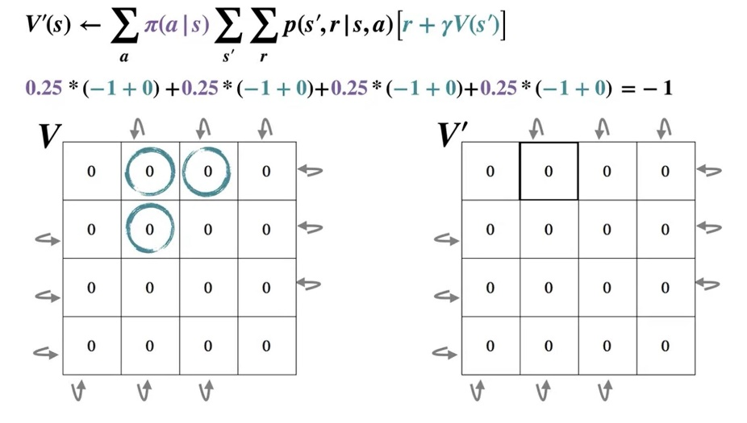
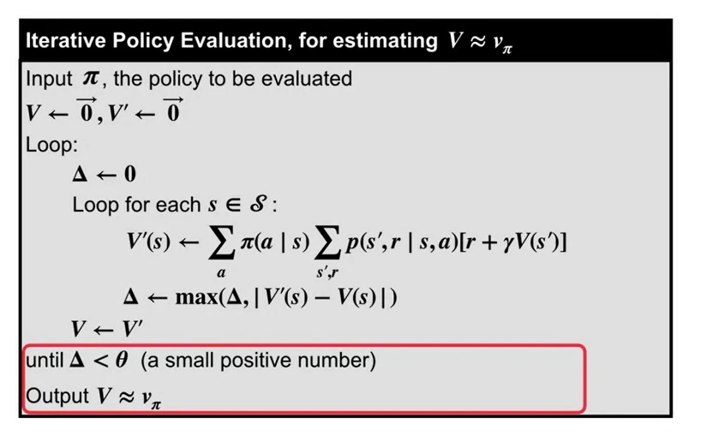

 |  |  |  |  | 0.0 | -14.0 | -20.0 | -22.0
 |  |  |  |  | -14.0 | -18.0 | -20.0 | -20.0
 |  |  |  |  | -20.0 | -20.0 | -18.0 | -14.0
 |  |  |  |  | -22.0 | -20.0 | -14.0 | 0.0

 |  |  |  |  | Optimal Policy
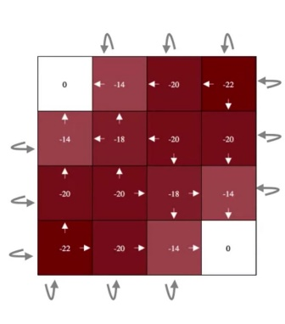

 | Reward |  | -1
 |  | γ | 1
Time
Step | 0
 | 0 | 0 | 0 | 0
 | 0 | 0 | 0 | 0
 | 0 | 0 | 0 | 0
 | 0 | 0 | 0 | 0

 | 1
 | 0.0 | -1.0 | -1.0 | -1.0
 | -1.0 | -1.0 | -1.0 | -1.0
 | -1.0 | -1.0 | -1.0 | -1.0
 | -1.0 | -1.0 | -1.0 | 0.0

 | 2
 | 0.0 | -1.8 | -2.0 | -2.0
 | -1.8 | -2.0 | -2.0 | -2.0
 | -2.0 | -2.0 | -2.0 | -1.8
 | -2.0 | -2.0 | -1.8 | 0.0

 | 3
 | 0.0 | -2.4 | -2.9 | -3.0
 | -2.4 | -2.9 | -3.0 | -2.9
 | -2.9 | -3.0 | -2.9 | -2.4
 | -3.0 | -2.9 | -2.4 | 0.0

 | 4
 | 0.0 | -3.1 | -3.8 | -4.0
 | -3.1 | -3.7 | -3.9 | -3.8
 | -3.8 | -3.9 | -3.7 | -3.1
 | -4.0 | -3.8 | -3.1 | 0.0

 | 5
 | 0.0 | -3.7 | -4.7 | -4.9
 | -3.7 | -4.5 | -4.8 | -4.7
 | -4.7 | -4.8 | -4.5 | -3.7
 | -4.9 | -4.7 | -3.7 | 0.0

 | 6
 | 0.0 | -4.2 | -5.5 | -5.8
 | -4.2 | -5.2 | -5.6 | -5.5
 | -5.5 | -5.6 | -5.2 | -4.2
 | -5.8 | -5.5 | -4.2 | 0.0

 | 7
 | 0.0 | -4.7 | -6.3 | -6.7
 | -4.7 | -5.9 | -6.4 | -6.3
 | -6.3 | -6.4 | -5.9 | -4.7
 | -6.7 | -6.3 | -4.7 | 0.0

 | 8
 | 0.0 | -5.2 | -7.0 | -7.5
 | -5.2 | -6.5 | -7.1 | -7.0
 | -7.0 | -7.1 | -6.5 | -5.2
 | -7.5 | -7.0 | -5.2 | 0.0

 | 9
 | 0.0 | -5.7 | -7.7 | -8.2
 | -5.7 | -7.2 | -7.8 | -7.7
 | -7.7 | -7.8 | -7.2 | -5.7
 | -8.2 | -7.7 | -5.7 | 0.0

 | 10
 | 0.0 | -6.1 | -8.4 | -9.0
 | -6.1 | -7.7 | -8.4 | -8.4
 | -8.4 | -8.4 | -7.7 | -6.1
 | -9.0 | -8.4 | -6.1 | 0.0

 | 11
 | 0.0 | -6.6 | -9.0 | -9.7
 | -6.6 | -8.3 | -9.0 | -9.0
 | -9.0 | -9.0 | -8.3 | -6.6
 | -9.7 | -9.0 | -6.6 | 0.0

 | 12
 | 0.0 | -7.0 | -9.6 | -10.3
 | -7.0 | -8.8 | -9.6 | -9.6
 | -9.6 | -9.6 | -8.8 | -7.0
 | -10.3 | -9.6 | -7.0 | 0.0

 | 13
 | 0.0 | -7.3 | -10.1 | -10.9
 | -7.3 | -9.3 | -10.2 | -10.1
 | -10.1 | -10.2 | -9.3 | -7.3
 | -10.9 | -10.1 | -7.3 | 0.0

 | 14
 | 0.0 | -7.7 | -10.6 | -11.5
 | -7.7 | -9.8 | -10.7 | -10.6
 | -10.6 | -10.7 | -9.8 | -7.7
 | -11.5 | -10.6 | -7.7 | 0.0

 | 15
 | 0.0 | -8.0 | -11.1 | -12.1
 | -8.0 | -10.2 | -11.2 | -11.1
 | -11.1 | -11.2 | -10.2 | -8.0
 | -12.1 | -11.1 | -8.0 | 0.0

 | 16
 | 0.0 | -8.3 | -11.6 | -12.6
 | -8.3 | -10.6 | -11.7 | -11.6
 | -11.6 | -11.7 | -10.6 | -8.3
 | -12.6 | -11.6 | -8.3 | 0.0

 | 17
 | 0.0 | -8.6 | -12.1 | -13.1
 | -8.6 | -11.0 | -12.1 | -12.1
 | -12.1 | -12.1 | -11.0 | -8.6
 | -13.1 | -12.1 | -8.6 | 0.0

 | 18
 | 0.0 | -8.9 | -12.5 | -13.6
 | -8.9 | -11.4 | -12.5 | -12.5
 | -12.5 | -12.5 | -11.4 | -8.9
 | -13.6 | -12.5 | -8.9 | 0.0

 | 19
 | 0.0 | -9.2 | -12.9 | -14.0
 | -9.2 | -11.7 | -12.9 | -12.9
 | -12.9 | -12.9 | -11.7 | -9.2
 | -14.0 | -12.9 | -9.2 | 0.0

 | 20
 | 0.0 | -9.4 | -13.3 | -14.5
 | -9.4 | -12.1 | -13.3 | -13.3
 | -13.3 | -13.3 | -12.1 | -9.4
 | -14.5 | -13.3 | -9.4 | 0.0

 | 21
 | 0.0 | -9.7 | -13.6 | -14.9
 | -9.7 | -12.4 | -13.7 | -13.6
 | -13.6 | -13.7 | -12.4 | -9.7
 | -14.9 | -13.6 | -9.7 | 0.0

 | 22
 | 0.0 | -9.9 | -14.0 | -15.2
 | -9.9 | -12.7 | -14.0 | -14.0
 | -14.0 | -14.0 | -12.7 | -9.9
 | -15.2 | -14.0 | -9.9 | 0.0

 | 23
 | 0.0 | -10.1 | -14.3 | -15.6
 | -10.1 | -13.0 | -14.3 | -14.3
 | -14.3 | -14.3 | -13.0 | -10.1
 | -15.6 | -14.3 | -10.1 | 0.0

 | 24
 | 0.0 | -10.3 | -14.6 | -15.9
 | -10.3 | -13.2 | -14.6 | -14.6
 | -14.6 | -14.6 | -13.2 | -10.3
 | -15.9 | -14.6 | -10.3 | 0.0

 | 25
 | 0.0 | -10.5 | -14.9 | -16.3
 | -10.5 | -13.5 | -14.9 | -14.9
 | -14.9 | -14.9 | -13.5 | -10.5
 | -16.3 | -14.9 | -10.5 | 0.0

 | 26
 | 0.0 | -10.7 | -15.1 | -16.6
 | -10.7 | -13.7 | -15.2 | -15.1
 | -15.1 | -15.2 | -13.7 | -10.7
 | -16.6 | -15.1 | -10.7 | 0.0

 | 27
 | 0.0 | -10.9 | -15.4 | -16.9
 | -10.9 | -13.9 | -15.4 | -15.4
 | -15.4 | -15.4 | -13.9 | -10.9
 | -16.9 | -15.4 | -10.9 | 0.0

 | 28
 | 0.0 | -11.1 | -15.6 | -17.1
 | -11.1 | -14.2 | -15.7 | -15.6
 | -15.6 | -15.7 | -14.2 | -11.1
 | -17.1 | -15.6 | -11.1 | 0.0

 | 29
 | 0.0 | -11.2 | -15.9 | -17.4
 | -11.2 | -14.4 | -15.9 | -15.9
 | -15.9 | -15.9 | -14.4 | -11.2
 | -17.4 | -15.9 | -11.2 | 0.0

 | 30
 | 0.0 | -11.4 | -16.1 | -17.6
 | -11.4 | -14.6 | -16.1 | -16.1
 | -16.1 | -16.1 | -14.6 | -11.4
 | -17.6 | -16.1 | -11.4 | 0.0

 | 31
 | 0.0 | -11.5 | -16.3 | -17.9
 | -11.5 | -14.7 | -16.3 | -16.3
 | -16.3 | -16.3 | -14.7 | -11.5
 | -17.9 | -16.3 | -11.5 | 0.0

 | 32
 | 0.0 | -11.6 | -16.5 | -18.1
 | -11.6 | -14.9 | -16.5 | -16.5
 | -16.5 | -16.5 | -14.9 | -11.6
 | -18.1 | -16.5 | -11.6 | 0.0

 | 33
 | 0.0 | -11.8 | -16.7 | -18.3
 | -11.8 | -15.1 | -16.7 | -16.7
 | -16.7 | -16.7 | -15.1 | -11.8
 | -18.3 | -16.7 | -11.8 | 0.0

 | 34
 | 0.0 | -11.9 | -16.9 | -18.5
 | -11.9 | -15.2 | -16.9 | -16.9
 | -16.9 | -16.9 | -15.2 | -11.9
 | -18.5 | -16.9 | -11.9 | 0.0

 | 35
 | 0.0 | -12.0 | -17.0 | -18.7
 | -12.0 | -15.4 | -17.0 | -17.0
 | -17.0 | -17.0 | -15.4 | -12.0
 | -18.7 | -17.0 | -12.0 | 0.0

 | 36
 | 0.0 | -12.1 | -17.2 | -18.9
 | -12.1 | -15.5 | -17.2 | -17.2
 | -17.2 | -17.2 | -15.5 | -12.1
 | -18.9 | -17.2 | -12.1 | 0.0

 | 37
 | 0.0 | -12.2 | -17.3 | -19.0
 | -12.2 | -15.7 | -17.4 | -17.3
 | -17.3 | -17.4 | -15.7 | -12.2
 | -19.0 | -17.3 | -12.2 | 0.0

 | 38
 | 0.0 | -12.3 | -17.5 | -19.2
 | -12.3 | -15.8 | -17.5 | -17.5
 | -17.5 | -17.5 | -15.8 | -12.3
 | -19.2 | -17.5 | -12.3 | 0.0

 | 39
 | 0.0 | -12.4 | -17.6 | -19.3
 | -12.4 | -15.9 | -17.6 | -17.6
 | -17.6 | -17.6 | -15.9 | -12.4
 | -19.3 | -17.6 | -12.4 | 0.0

 | 40
 | 0.0 | -12.5 | -17.7 | -19.5
 | -12.5 | -16.0 | -17.8 | -17.7
 | -17.7 | -17.8 | -16.0 | -12.5
 | -19.5 | -17.7 | -12.5 | 0.0

 | 41
 | 0.0 | -12.6 | -17.9 | -19.6
 | -12.6 | -16.1 | -17.9 | -17.9
 | -17.9 | -17.9 | -16.1 | -12.6
 | -19.6 | -17.9 | -12.6 | 0.0

 | 42
 | 0.0 | -12.6 | -18.0 | -19.7
 | -12.6 | -16.2 | -18.0 | -18.0
 | -18.0 | -18.0 | -16.2 | -12.6
 | -19.7 | -18.0 | -12.6 | 0.0

 | 43
 | 0.0 | -12.7 | -18.1 | -19.9
 | -12.7 | -16.3 | -18.1 | -18.1
 | -18.1 | -18.1 | -16.3 | -12.7
 | -19.9 | -18.1 | -12.7 | 0.0

 | 44
 | 0.0 | -12.8 | -18.2 | -20.0
 | -12.8 | -16.4 | -18.2 | -18.2
 | -18.2 | -18.2 | -16.4 | -12.8
 | -20.0 | -18.2 | -12.8 | 0.0

 | 45
 | 0.0 | -12.8 | -18.3 | -20.1
 | -12.8 | -16.5 | -18.3 | -18.3
 | -18.3 | -18.3 | -16.5 | -12.8
 | -20.1 | -18.3 | -12.8 | 0.0

 | 46
 | 0.0 | -12.9 | -18.4 | -20.2
 | -12.9 | -16.6 | -18.4 | -18.4
 | -18.4 | -18.4 | -16.6 | -12.9
 | -20.2 | -18.4 | -12.9 | 0.0

 | 47
 | 0.0 | -13.0 | -18.5 | -20.3
 | -13.0 | -16.6 | -18.5 | -18.5
 | -18.5 | -18.5 | -16.6 | -13.0
 | -20.3 | -18.5 | -13.0 | 0.0

 | 48
 | 0.0 | -13.0 | -18.5 | -20.4
 | -13.0 | -16.7 | -18.6 | -18.5
 | -18.5 | -18.6 | -16.7 | -13.0
 | -20.4 | -18.5 | -13.0 | 0.0

 | 49
 | 0.0 | -13.1 | -18.6 | -20.5
 | -13.1 | -16.8 | -18.6 | -18.6
 | -18.6 | -18.6 | -16.8 | -13.1
 | -20.5 | -18.6 | -13.1 | 0.0

 | 50
 | 0.0 | -13.1 | -18.7 | -20.5
 | -13.1 | -16.8 | -18.7 | -18.7
 | -18.7 | -18.7 | -16.8 | -13.1
 | -20.5 | -18.7 | -13.1 | 0.0

 | 51
 | 0.0 | -13.2 | -18.8 | -20.6
 | -13.2 | -16.9 | -18.8 | -18.8
 | -18.8 | -18.8 | -16.9 | -13.2
 | -20.6 | -18.8 | -13.2 | 0.0

 | 52
 | 0.0 | -13.2 | -18.8 | -20.7
 | -13.2 | -17.0 | -18.8 | -18.8
 | -18.8 | -18.8 | -17.0 | -13.2
 | -20.7 | -18.8 | -13.2 | 0.0

 | 53
 | 0.0 | -13.3 | -18.9 | -20.8
 | -13.3 | -17.0 | -18.9 | -18.9
 | -18.9 | -18.9 | -17.0 | -13.3
 | -20.8 | -18.9 | -13.3 | 0.0

 | 54
 | 0.0 | -13.3 | -18.9 | -20.8
 | -13.3 | -17.1 | -19.0 | -18.9
 | -18.9 | -19.0 | -17.1 | -13.3
 | -20.8 | -18.9 | -13.3 | 0.0

 | 55
 | 0.0 | -13.3 | -19.0 | -20.9
 | -13.3 | -17.1 | -19.0 | -19.0
 | -19.0 | -19.0 | -17.1 | -13.3
 | -20.9 | -19.0 | -13.3 | 0.0

 | 56
 | 0.0 | -13.4 | -19.1 | -20.9
 | -13.4 | -17.2 | -19.1 | -19.1
 | -19.1 | -19.1 | -17.2 | -13.4
 | -20.9 | -19.1 | -13.4 | 0.0

 | 57
 | 0.0 | -13.4 | -19.1 | -21.0
 | -13.4 | -17.2 | -19.1 | -19.1
 | -19.1 | -19.1 | -17.2 | -13.4
 | -21.0 | -19.1 | -13.4 | 0.0

 | 58
 | 0.0 | -13.4 | -19.2 | -21.1
 | -13.4 | -17.3 | -19.2 | -19.2
 | -19.2 | -19.2 | -17.3 | -13.4
 | -21.1 | -19.2 | -13.4 | 0.0

 | 59
 | 0.0 | -13.5 | -19.2 | -21.1
 | -13.5 | -17.3 | -19.2 | -19.2
 | -19.2 | -19.2 | -17.3 | -13.5
 | -21.1 | -19.2 | -13.5 | 0.0

 | 60
 | 0.0 | -13.5 | -19.2 | -21.2
 | -13.5 | -17.3 | -19.2 | -19.2
 | -19.2 | -19.2 | -17.3 | -13.5
 | -21.2 | -19.2 | -13.5 | 0.0

 | 61
 | 0.0 | -13.5 | -19.3 | -21.2
 | -13.5 | -17.4 | -19.3 | -19.3
 | -19.3 | -19.3 | -17.4 | -13.5
 | -21.2 | -19.3 | -13.5 | 0.0

 | 62
 | 0.0 | -13.5 | -19.3 | -21.2
 | -13.5 | -17.4 | -19.3 | -19.3
 | -19.3 | -19.3 | -17.4 | -13.5
 | -21.2 | -19.3 | -13.5 | 0.0

 | 63
 | 0.0 | -13.6 | -19.4 | -21.3
 | -13.6 | -17.4 | -19.4 | -19.4
 | -19.4 | -19.4 | -17.4 | -13.6
 | -21.3 | -19.4 | -13.6 | 0.0

 | 64
 | 0.0 | -13.6 | -19.4 | -21.3
 | -13.6 | -17.5 | -19.4 | -19.4
 | -19.4 | -19.4 | -17.5 | -13.6
 | -21.3 | -19.4 | -13.6 | 0.0

 | 65
 | 0.0 | -13.6 | -19.4 | -21.4
 | -13.6 | -17.5 | -19.4 | -19.4
 | -19.4 | -19.4 | -17.5 | -13.6
 | -21.4 | -19.4 | -13.6 | 0.0

 | 66
 | 0.0 | -13.6 | -19.5 | -21.4
 | -13.6 | -17.5 | -19.5 | -19.5
 | -19.5 | -19.5 | -17.5 | -13.6
 | -21.4 | -19.5 | -13.6 | 0.0

 | 67
 | 0.0 | -13.7 | -19.5 | -21.4
 | -13.7 | -17.5 | -19.5 | -19.5
 | -19.5 | -19.5 | -17.5 | -13.7
 | -21.4 | -19.5 | -13.7 | 0.0

 | 68
 | 0.0 | -13.7 | -19.5 | -21.5
 | -13.7 | -17.6 | -19.5 | -19.5
 | -19.5 | -19.5 | -17.6 | -13.7
 | -21.5 | -19.5 | -13.7 | 0.0

 | 69
 | 0.0 | -13.7 | -19.5 | -21.5
 | -13.7 | -17.6 | -19.5 | -19.5
 | -19.5 | -19.5 | -17.6 | -13.7
 | -21.5 | -19.5 | -13.7 | 0.0

 | 70
 | 0.0 | -13.7 | -19.6 | -21.5
 | -13.7 | -17.6 | -19.6 | -19.6
 | -19.6 | -19.6 | -17.6 | -13.7
 | -21.5 | -19.6 | -13.7 | 0.0

 | 71
 | 0.0 | -13.7 | -19.6 | -21.5
 | -13.7 | -17.6 | -19.6 | -19.6
 | -19.6 | -19.6 | -17.6 | -13.7
 | -21.5 | -19.6 | -13.7 | 0.0

 | 72
 | 0.0 | -13.7 | -19.6 | -21.6
 | -13.7 | -17.7 | -19.6 | -19.6
 | -19.6 | -19.6 | -17.7 | -13.7
 | -21.6 | -19.6 | -13.7 | 0.0

 | 73
 | 0.0 | -13.7 | -19.6 | -21.6
 | -13.7 | -17.7 | -19.6 | -19.6
 | -19.6 | -19.6 | -17.7 | -13.7
 | -21.6 | -19.6 | -13.7 | 0.0

 | 74
 | 0.0 | -13.8 | -19.6 | -21.6
 | -13.8 | -17.7 | -19.7 | -19.6
 | -19.6 | -19.7 | -17.7 | -13.8
 | -21.6 | -19.6 | -13.8 | 0.0

 | 75
 | 0.0 | -13.8 | -19.7 | -21.6
 | -13.8 | -17.7 | -19.7 | -19.7
 | -19.7 | -19.7 | -17.7 | -13.8
 | -21.6 | -19.7 | -13.8 | 0.0

 | 76
 | 0.0 | -13.8 | -19.7 | -21.6
 | -13.8 | -17.7 | -19.7 | -19.7
 | -19.7 | -19.7 | -17.7 | -13.8
 | -21.6 | -19.7 | -13.8 | 0.0

 | 77
 | 0.0 | -13.8 | -19.7 | -21.7
 | -13.8 | -17.7 | -19.7 | -19.7
 | -19.7 | -19.7 | -17.7 | -13.8
 | -21.7 | -19.7 | -13.8 | 0.0

 | 78
 | 0.0 | -13.8 | -19.7 | -21.7
 | -13.8 | -17.8 | -19.7 | -19.7
 | -19.7 | -19.7 | -17.8 | -13.8
 | -21.7 | -19.7 | -13.8 | 0.0

 | 79
 | 0.0 | -13.8 | -19.7 | -21.7
 | -13.8 | -17.8 | -19.7 | -19.7
 | -19.7 | -19.7 | -17.8 | -13.8
 | -21.7 | -19.7 | -13.8 | 0.0

 | 80
 | 0.0 | -13.8 | -19.7 | -21.7
 | -13.8 | -17.8 | -19.7 | -19.7
 | -19.7 | -19.7 | -17.8 | -13.8
 | -21.7 | -19.7 | -13.8 | 0.0

 | 81
 | 0.0 | -13.8 | -19.8 | -21.7
 | -13.8 | -17.8 | -19.8 | -19.8
 | -19.8 | -19.8 | -17.8 | -13.8
 | -21.7 | -19.8 | -13.8 | 0.0

 | 82
 | 0.0 | -13.8 | -19.8 | -21.7
 | -13.8 | -17.8 | -19.8 | -19.8
 | -19.8 | -19.8 | -17.8 | -13.8
 | -21.7 | -19.8 | -13.8 | 0.0

 | 83
 | 0.0 | -13.9 | -19.8 | -21.8
 | -13.9 | -17.8 | -19.8 | -19.8
 | -19.8 | -19.8 | -17.8 | -13.9
 | -21.8 | -19.8 | -13.9 | 0.0

 | 84
 | 0.0 | -13.9 | -19.8 | -21.8
 | -13.9 | -17.8 | -19.8 | -19.8
 | -19.8 | -19.8 | -17.8 | -13.9
 | -21.8 | -19.8 | -13.9 | 0.0

 | 85
 | 0.0 | -13.9 | -19.8 | -21.8
 | -13.9 | -17.8 | -19.8 | -19.8
 | -19.8 | -19.8 | -17.8 | -13.9
 | -21.8 | -19.8 | -13.9 | 0.0

 | 86
 | 0.0 | -13.9 | -19.8 | -21.8
 | -13.9 | -17.8 | -19.8 | -19.8
 | -19.8 | -19.8 | -17.8 | -13.9
 | -21.8 | -19.8 | -13.9 | 0.0

 | 87
 | 0.0 | -13.9 | -19.8 | -21.8
 | -13.9 | -17.8 | -19.8 | -19.8
 | -19.8 | -19.8 | -17.8 | -13.9
 | -21.8 | -19.8 | -13.9 | 0.0

 | 88
 | 0.0 | -13.9 | -19.8 | -21.8
 | -13.9 | -17.9 | -19.8 | -19.8
 | -19.8 | -19.8 | -17.9 | -13.9
 | -21.8 | -19.8 | -13.9 | 0.0

 | 89
 | 0.0 | -13.9 | -19.8 | -21.8
 | -13.9 | -17.9 | -19.8 | -19.8
 | -19.8 | -19.8 | -17.9 | -13.9
 | -21.8 | -19.8 | -13.9 | 0.0

 | 90
 | 0.0 | -13.9 | -19.9 | -21.8
 | -13.9 | -17.9 | -19.9 | -19.9
 | -19.9 | -19.9 | -17.9 | -13.9
 | -21.8 | -19.9 | -13.9 | 0.0

 | 91
 | 0.0 | -13.9 | -19.9 | -21.8
 | -13.9 | -17.9 | -19.9 | -19.9
 | -19.9 | -19.9 | -17.9 | -13.9
 | -21.8 | -19.9 | -13.9 | 0.0

 | 92
 | 0.0 | -13.9 | -19.9 | -21.9
 | -13.9 | -17.9 | -19.9 | -19.9
 | -19.9 | -19.9 | -17.9 | -13.9
 | -21.9 | -19.9 | -13.9 | 0.0

 | 93
 | 0.0 | -13.9 | -19.9 | -21.9
 | -13.9 | -17.9 | -19.9 | -19.9
 | -19.9 | -19.9 | -17.9 | -13.9
 | -21.9 | -19.9 | -13.9 | 0.0

 | 94
 | 0.0 | -13.9 | -19.9 | -21.9
 | -13.9 | -17.9 | -19.9 | -19.9
 | -19.9 | -19.9 | -17.9 | -13.9
 | -21.9 | -19.9 | -13.9 | 0.0

 | 95
 | 0.0 | -13.9 | -19.9 | -21.9
 | -13.9 | -17.9 | -19.9 | -19.9
 | -19.9 | -19.9 | -17.9 | -13.9
 | -21.9 | -19.9 | -13.9 | 0.0

 | 96
 | 0.0 | -13.9 | -19.9 | -21.9
 | -13.9 | -17.9 | -19.9 | -19.9
 | -19.9 | -19.9 | -17.9 | -13.9
 | -21.9 | -19.9 | -13.9 | 0.0

 | 97
 | 0.0 | -13.9 | -19.9 | -21.9
 | -13.9 | -17.9 | -19.9 | -19.9
 | -19.9 | -19.9 | -17.9 | -13.9
 | -21.9 | -19.9 | -13.9 | 0.0

 | 98
 | 0.0 | -13.9 | -19.9 | -21.9
 | -13.9 | -17.9 | -19.9 | -19.9
 | -19.9 | -19.9 | -17.9 | -13.9
 | -21.9 | -19.9 | -13.9 | 0.0

 | 99
 | 0.0 | -13.9 | -19.9 | -21.9
 | -13.9 | -17.9 | -19.9 | -19.9
 | -19.9 | -19.9 | -17.9 | -13.9
 | -21.9 | -19.9 | -13.9 | 0.0

 | 100
 | 0.0 | -13.9 | -19.9 | -21.9
 | -13.9 | -17.9 | -19.9 | -19.9
 | -19.9 | -19.9 | -17.9 | -13.9
 | -21.9 | -19.9 | -13.9 | 0.0

 | 101
 | 0.0 | -13.9 | -19.9 | -21.9
 | -13.9 | -17.9 | -19.9 | -19.9
 | -19.9 | -19.9 | -17.9 | -13.9
 | -21.9 | -19.9 | -13.9 | 0.0

 | 102
 | 0.0 | -13.9 | -19.9 | -21.9
 | -13.9 | -17.9 | -19.9 | -19.9
 | -19.9 | -19.9 | -17.9 | -13.9
 | -21.9 | -19.9 | -13.9 | 0.0

 | 103
 | 0.0 | -14.0 | -19.9 | -21.9
 | -14.0 | -17.9 | -19.9 | -19.9
 | -19.9 | -19.9 | -17.9 | -14.0
 | -21.9 | -19.9 | -14.0 | 0.0

 | 104
 | 0.0 | -14.0 | -19.9 | -21.9
 | -14.0 | -17.9 | -19.9 | -19.9
 | -19.9 | -19.9 | -17.9 | -14.0
 | -21.9 | -19.9 | -14.0 | 0.0

 | 105
 | 0.0 | -14.0 | -19.9 | -21.9
 | -14.0 | -17.9 | -19.9 | -19.9
 | -19.9 | -19.9 | -17.9 | -14.0
 | -21.9 | -19.9 | -14.0 | 0.0

 | 106
 | 0.0 | -14.0 | -19.9 | -21.9
 | -14.0 | -17.9 | -19.9 | -19.9
 | -19.9 | -19.9 | -17.9 | -14.0
 | -21.9 | -19.9 | -14.0 | 0.0

 | 107
 | 0.0 | -14.0 | -19.9 | -21.9
 | -14.0 | -17.9 | -19.9 | -19.9
 | -19.9 | -19.9 | -17.9 | -14.0
 | -21.9 | -19.9 | -14.0 | 0.0

 | 108
 | 0.0 | -14.0 | -19.9 | -21.9
 | -14.0 | -18.0 | -19.9 | -19.9
 | -19.9 | -19.9 | -18.0 | -14.0
 | -21.9 | -19.9 | -14.0 | 0.0

 | 109
 | 0.0 | -14.0 | -19.9 | -21.9
 | -14.0 | -18.0 | -19.9 | -19.9
 | -19.9 | -19.9 | -18.0 | -14.0
 | -21.9 | -19.9 | -14.0 | 0.0

 | 110
 | 0.0 | -14.0 | -20.0 | -21.9
 | -14.0 | -18.0 | -20.0 | -20.0
 | -20.0 | -20.0 | -18.0 | -14.0
 | -21.9 | -20.0 | -14.0 | 0.0

 | 111
 | 0.0 | -14.0 | -20.0 | -21.9
 | -14.0 | -18.0 | -20.0 | -20.0
 | -20.0 | -20.0 | -18.0 | -14.0
 | -21.9 | -20.0 | -14.0 | 0.0

 | 112
 | 0.0 | -14.0 | -20.0 | -22.0
 | -14.0 | -18.0 | -20.0 | -20.0
 | -20.0 | -20.0 | -18.0 | -14.0
 | -22.0 | -20.0 | -14.0 | 0.0

 | 113
 | 0.0 | -14.0 | -20.0 | -22.0
 | -14.0 | -18.0 | -20.0 | -20.0
 | -20.0 | -20.0 | -18.0 | -14.0
 | -22.0 | -20.0 | -14.0 | 0.0

 | 114
 | 0.0 | -14.0 | -20.0 | -22.0
 | -14.0 | -18.0 | -20.0 | -20.0
 | -20.0 | -20.0 | -18.0 | -14.0
 | -22.0 | -20.0 | -14.0 | 0.0

 | 115
 | 0.0 | -14.0 | -20.0 | -22.0
 | -14.0 | -18.0 | -20.0 | -20.0
 | -20.0 | -20.0 | -18.0 | -14.0
 | -22.0 | -20.0 | -14.0 | 0.0

 | 116
 | 0.0 | -14.0 | -20.0 | -22.0
 | -14.0 | -18.0 | -20.0 | -20.0
 | -20.0 | -20.0 | -18.0 | -14.0
 | -22.0 | -20.0 | -14.0 | 0.0

 | 117
 | 0.0 | -14.0 | -20.0 | -22.0
 | -14.0 | -18.0 | -20.0 | -20.0
 | -20.0 | -20.0 | -18.0 | -14.0
 | -22.0 | -20.0 | -14.0 | 0.0

 | 118
 | 0.0 | -14.0 | -20.0 | -22.0
 | -14.0 | -18.0 | -20.0 | -20.0
 | -20.0 | -20.0 | -18.0 | -14.0
 | -22.0 | -20.0 | -14.0 | 0.0

 | 119
 | 0.0 | -14.0 | -20.0 | -22.0
 | -14.0 | -18.0 | -20.0 | -20.0
 | -20.0 | -20.0 | -18.0 | -14.0
...

Bellman Equation
...
time step
t= | 0 |  |  | 1 |  | 2 |  | 3 |  |  | 4 |  | 5
 | 0 | 5 |  | 2.125 | 4.25 | 2.7375 | 4.73125 | 3.16625 | 5.1140625 |  | 3.466375 | 5.398109375 | 3.6764625 | 5.6025695312
 | 0 | 0 |  | 0 | 2.125 | 0.74375 | 2.7375 | 1.2184375 | 3.16625 |  | 1.534640625 | 3.466375 | 1.7503554687 | 3.6764625

 | State-value
Time Steps | A | B | C | D
0 | 0 | 5 | 0 | 0
1 | 2.125 | 4.25 | 0 | 2.125
2 | 2.7375 | 4.73125 | 0.74375 | 2.7375
3 | 3.16625 | 5.1140625 | 1.2184375 | 3.16625
4 | 3.466375 | 5.398109375 | 1.534640625 | 3.466375
5 | 3.6764625 | 5.6025695312 | 1.7503554687 | 3.6764625
6 | 3.82352375 | 5.7476612109 | 1.8993862891 | 3.82352375
7 | 3.926466625 | 5.8499147363 | 2.0030185137 | 3.926466625
8 | 3.9985266375 | 5.9217334765 | 2.0753197985 | 3.9985266375
9 | 4.0489686462 | 5.9720910399 | 2.1258462526 | 4.0489686462
10 | 4.0842780524 | 6.0073708901 | 2.1611852146 | 4.0842780524
11 | 4.1089946367 | 6.0320771299 | 2.1859121434 | 4.1089946367
12 | 4.1262962457 | 6.0493751183 | 2.203217373 | 4.1262962457
13 | 4.138407372 | 6.0614849774 | 2.2153297665 | 4.138407372
14 | 4.1468851604 | 6.0699623223 | 2.2238079985 | 4.1468851604
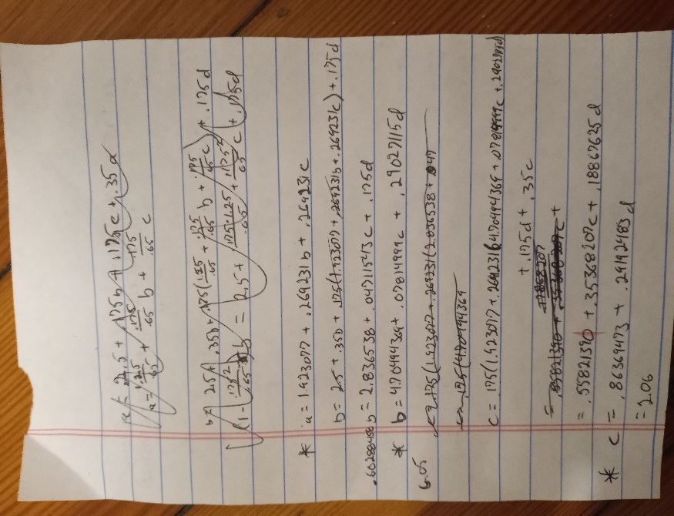
15 | 4.1528196123 | 6.0758966189 | 2.2297426056 | 4.1528196123
16 | 4.1569737286 | 6.0800506809 | 2.2338967763 | 4.1569737286

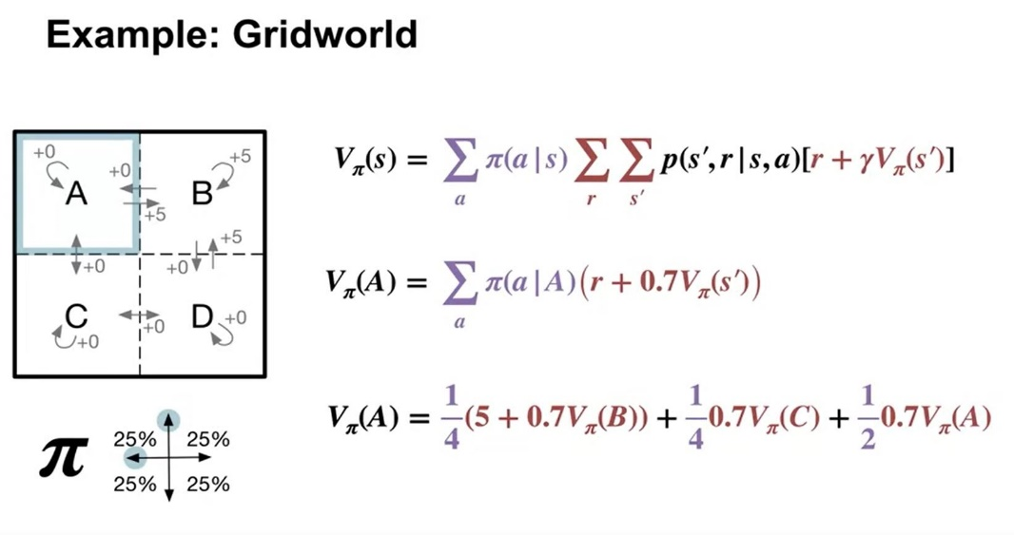

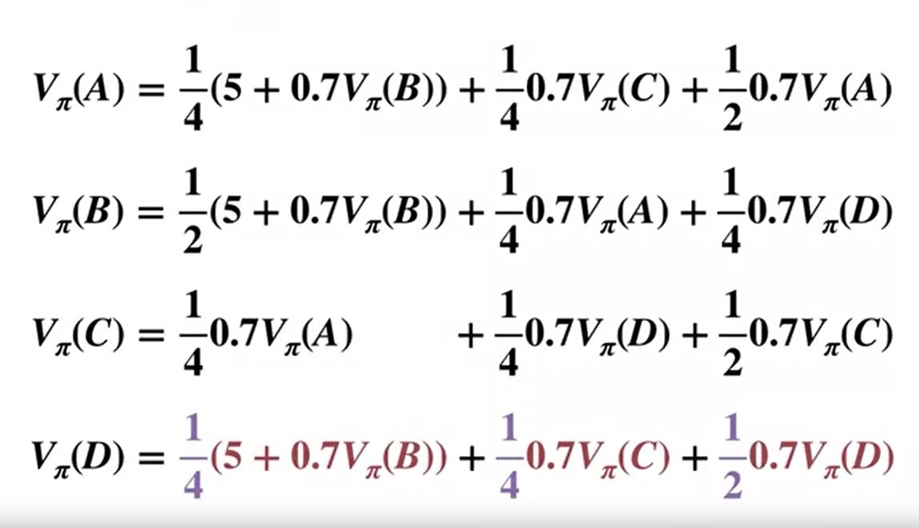

 |  |  |  |  |  |  |  | 2.23632382 |  | Solving each for each variable (state-value) by hand
 |  |  |  |  |  |  |  | 0.45587673346 |  | 4.1099580873 | V(D)
 |  |  |  |  |  |  |  |  |  | 2.0634935459 | V(C)
 |  |  |  |  |  |  |  |  |  | 6.0592079711 | V(B)
 |  |  |  |  |  |  |  |  |  | 4.1099600521 | V(A)

